Start
GCWORKPLACE STANDARD FURNITURE TYPICALS | INTRODUCTION | Return to Table of Contents

The Government of Canada is responsible for creating safe and healthy work environments for all its employees. Gcworkplace is the new vision for the Government of Canada workplace. Gcworkplace is more than just new workpoint types and modern furniture, it's a new way of workingfor a modern, high-performing public service.
The GCworkplace Design Guide has been developped as the companion document to the Government of Canada Workplace Fit-Up Standards and is mandatory for all planning and design of general purpose office spaces. This document presents various types of furniture layouts that correspond with the GCworkplace Design Guide. The furniture itemized below the images in each layout correspond with products available in the Workspaces Supply Arrangment (SA). These layouts are examples of what Public Services and Procurement Canada (PSPC) encourages clients to use in their own GCworkplace designs, but there are many alternate options and solutions that can be used.

 | PROCUREMENT MECHANISMS

Furniture Supply Arrangements (SA) are mandatory procurement instruments that must be used by client departments acting on their own behalf, or by PSPC, when preparing requisitions for furniture (with some exceptions). The SAs are a supply method consisting of pre-approved furniture products and services from a pool of pre qualified suppliers.
Currently two SAs exist for the procurement of furniture:
• Office Seating (Rotary and Side Chairs): E60PQ-120001/G
• Furniture for Work Spaces: E60PQ-140003/C
Note: Throughout this document audio-visual equipment (monitors, televisions, etc.) is shown. These items are not procured through the two supply arrangements listed above, they are shown for visualisation purposes only.
Note: Throughout this document the following abbreviations are used: CST (Client Search Tool), NSA (Non-Supply Arrangement (Products purchased outside of the two SAs listed above)), OS (Office Seating (Products purchased from the Office Seating SA listed above)).

PAGE 1

PIO | Workstation
PRIMARY INDIVIDUAL | OPEN | WORKSTATION, TYPE 1 |  |  |  |  |  |  |  |  |  | Return to Table of Contents
 | RECTANGULAR WORK SURFACE & RETURN, AREA: 3.5 - 4.0 m2 (38 - 43 ft 2)
 | COST (EST.): $5,918.00
A
1
2
3
4
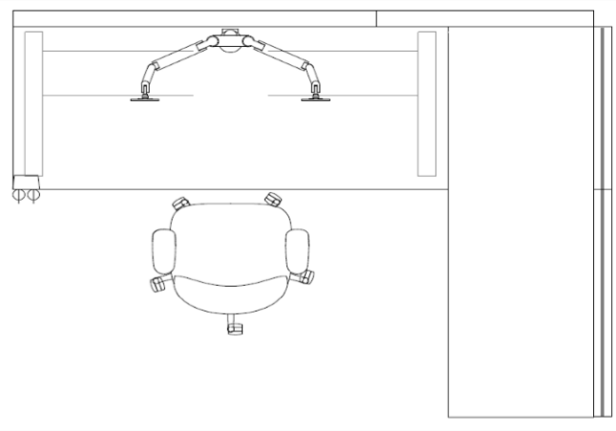
PLAN VIEW
B
C
F
D
G
E
 | DESCRIPTION |  | CAT. | QTY | WIDTH | DEPTH | HEIGHT | OPTIONS | FINISHES | COST (EST.) | GoCUID
 | REQUIRED COMPONENTS
 | 1 | Panel Add-on Module | 1B | 1 | 1219 mm (48 in.) | Max. 102 mm (Max 4 in.) | 1067 to 1245 mm (42 to 49 in.) | Power Below Worksurface | Fabric | $858.00 | N/A
 |  | Base Panel | 1A | 1 |  |  |  |  | Fabric | $565.00 | N/A
 | 2 | Panel Add-on Module | 1B | 1 | 610 mm (24 in.) | Max. 102 mm (Max 4 in.) | 1067 to 1245 mm (42 to 49 in.) | Non-powered | Fabric | $530.00 | N/A
 |  | Base Panel | 1A | 1 |  |  |  |  | Fabric | $315.00 | N/A
 | 3 | Panel Add-on Module | 1B | 1 | 762 mm (30 in.) | Max. 102 mm (Max 4 in.) | 1067 to 1245 mm (42 to 49 in.) | Power Below Worksurface | Frosted Acrylic | $564.00 | 1bCPSXXNXXL30XFRNNN
 |  | Base Panel | 1A | 1 |  |  |  |  | Fabric | $467.00 | N/A
 | 4 | Panel Add-on Module | 1B | 1 | 914 mm (36 in.) | Max. 102 mm (Max 4 in.) | 1067 to 1245 mm (42 to 49 in.) | Non-powered | Frosted Acrylic | $583.00 | 1bCPSXXNXXL36XFRNNN
 |  | Base Panel | 1A | 1 |  |  |  |  | Fabric | $381.00 | N/A
 | A | Fixed Work Surface | 1B | 1 | 1676 mm (66 in.) | 610 mm (24 in.) | 737 mm (29 in.) | C-Leg Worksurface | Laminate | $243.00 | 1bFFHREC24L66WNOLNY
 | B | Height Adjustable Work Surface | 2 | 1 | 1219 mm (48 in.) | 762 mm (30 in.) | 584 to 1237 mm (23 to 48.7 in.) | Electric | Laminate | $403.00 | 2WSSREXXL30L48BELXX
 | C | Monitor Arm | 5 | 1 | N/A | N/A | N/A | Double, Clamp Mount | N/A | $217.00 | 5MOADUARMCLPMTXXXXX
 | D | Power Module | 5 | 1 | N/A | N/A | N/A | AC Power & USB | N/A | $102.00 | 5PMOWKSMTACUSBXXXXX
 | E | Task Chair | OS | 1 | N/A | N/A | N/A | Standard Height Back, Fully Adjustable | Fabric | $336.00 | N/A
 | OPTIONAL COMPONENTS
 | F | Task Light | 5 | 1 | N/A | N/A | N/A | Desk Base, AC Power | N/A | $149.00 | 5TLTDSKBAACPWRXXXXX
 | G | Storage | 6 | 1 | 381 mm (15 in.) | 457 mm (18 in.) | Varies | Pedestal (Medium), Mobile (Keyless) | Painted Metal | $205.00 | 1bSPBMCAA1518XXYSXX
 |  |  |  |  |  |  |  |  |  |  | Audio-visual equipment (monitors, laptops, televisions, etc.) are not purchased through the Workspaces or Office Seating Supply Arrangements. They are shown for visualisation purposes only.

TECHNICAL INFORMATION
1 & 2 - Base Height Panel with Panel Add-On Module
Combined height of 1067 to 1245 mm (42 to 49 in.). Referred to in the Supply Arrangement as "Work Surface Privacy Height Panel".
3 & 4 - Base Height Panel with Privacy Screen
Combined height of 1067 to 1245 mm (42 to 49 in.). Referred to in the Supply Arrangement as "Work Surface Privacy Height Panel".
A - FIxed Height Work Surface
Work surface must be supported with panel-hung brackets, C-legs (shown), post legs and/or end gables. Ganging style may impact available selections.
C - Monitor Arm
Single Monitor Arm recommended for Height Adjustable Work Surfaces 1219 mm (48 in.) or 1372 mm (54 in.) in length.
Double Monitor Arm recommended for Height Adjustable Work Surfaces 1524 mm (60 in.), 1676 mm (66 in.) or 1829 mm (72 in.) in length.
D - Power Module
For accessibility, a power source is recommended at (or near) the leading edge of the height adjustable work surface
G - Storage Component
If locks are required, keyless (i.e. keypad) is recommended.
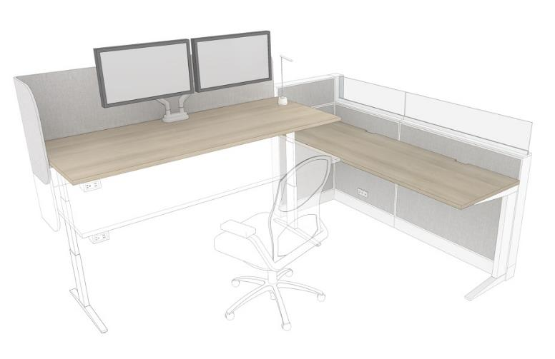
As an alternative, work surface mounted privacy screens can replace certain panel elements. This provides the benefit of privacy "moving" with the user as they change the position of the height adjustable work surface.

PAGE 1

PRIMARY INDIVIDUAL | OPEN | WORKSTATION, TYPE 2 |  |  |  |  |  |  |  |  |  | Return to Table of Contents
 | SINGLE WORK SURFACE, AREA: 3.0 - 3.5 m2 (32 - 38 ft 2)
 | COST (EST.): $1,756.00
A
E
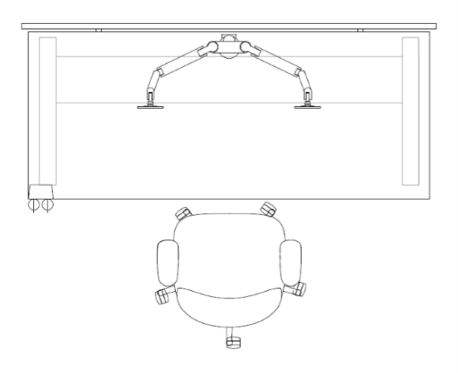
PLAN VIEW
TECHNICAL INFORMATION
B - Monitor Arm
Single Monitor Arm recommended for Height Adjustable Work Surfaces 1219 mm (48 in.) or 1372 mm (54 in.) in length.
Double Monitor Arm recommended for Height Adjustable Work Surfaces 1524 mm (60 in.), 1676 mm (66 in.) or 1829 mm (72 in.) in length.
C - Power Module
For accessibility, a power source is recommended at (or near) the leading edge of the height adjustable work surface
F - Storage Component
If locks are required, keyless (i.e. keypad) is recommended.
B
1
F
C
D

 | DESCRIPTION |  | CAT. | QTY | WIDTH | DEPTH | HEIGHT | OPTIONS | FINISHES | COST (EST.) | GoCUID
 | REQUIRED COMPONENTS
 | 1 | Privacy Add-on Screen | NSA | 1 | 1524 mm (60 in.) | N/A | 304 to 406 mm (12 to 16 in.) | N/A | Fabric | $219.00 | N/A
 | A | Height Adjustable Work Surface | 2 | 1 | 1524 mm (60 in.) | 762 mm (30 in.) | 584 to 1237 mm (23 to 48.7 in.) | Electric | Laminate | $431.00 | 2WSSREXXL30L60BELXX
 | B | Monitor Arm | 5 | 1 | N/A | N/A | N/A | Double, Clamp Mount | N/A | $217.00 | 5MOADUARMCLPMTXXXXX
 | C | Power Module | 5 | 1 | N/A | N/A | N/A | AC Power & USB | N/A | $102.00 | 5PMOWKSMTACUSBXXXXX
 | D | Task Chair | OS | 1 | N/A | N/A | N/A | Standard Height Back, Fully Adjustable | Fabric | $336.00 | N/A
 | OPTIONAL COMPONENTS
 | E | Task Light | 5 | 1 | N/A | N/A | N/A | Desk Base, AC and USB Power | N/A | $165.00 | 5TLTDSKBAACUSBXXXXX
 | F | Storage | 6 | 1 | 15 | 18 | Varies | Pedestal (Medium), Mobile (Keyless) | Laminate | $286.00 | 1bSPBMCAL1518XXYSXX
PAGE 2 |  |  |  |  |  |  |  |  |  |  | Audio-visual equipment (monitors, laptops, televisions, etc.) are not purchased through the Workspaces or Office Seating Supply Arrangements. They are shown for visualisation purposes only.

PRIMARY INDIVIDUAL | OPEN | WORKSTATION, TYPE 3A |  |  |  |  |  |  |  |  |  | Return to Table of Contents
 | SINGLE WORK SURFACE, AREA: 3.0 - 5.0 m2 (36 - 55 ft 2)
 | COST (EST.): $5,676.00
A
1
2
E
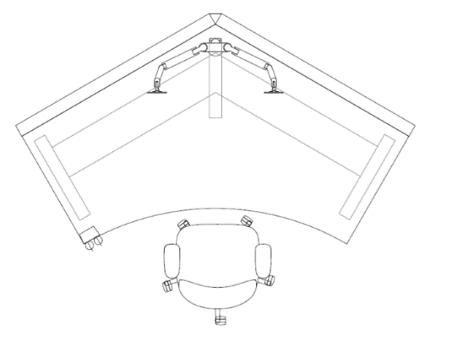
PLAN VIEW
B
F
C
D

 | DESCRIPTION |  | CAT. | QTY | WIDTH | DEPTH | HEIGHT | OPTIONS | FINISHES | COST (EST.) | GoCUID
 | REQUIRED COMPONENTS
 | 1 | Panel Add-on Module | 1A | 1 | 1524 mm (60 in.) | Max. 102 mm (Max 4 in.) | 1067 to 1245 mm (42 to 49 in.) | Power Below Worksurface | Fabric | $963.00 | N/A
 |  | Base Panel | 1A | 1 |  |  |  |  | Fabric | $631.00 | N/A
 | 2 | Panel Add-on Module | 1A | 1 | 1524 mm (60 in.) | Max. 102 mm (Max 4 in.) | 1067 to 1245 mm (42 to 49 in.) | Power Below Worksurface | Fabric | $963.00 | N/A
 |  | Base Panel | 1A | 1 |  |  |  |  | Fabric | $631.00 | N/A
 | A | 120⁰ Height Adjustable Work Surface | 2 | 1 | 1524 mm (60 in.) | 762 mm (30 in.) | 584 to 1237 mm (23 to 48.7 in.) | Electric | Laminate | $1,398.00 | 2WSSDEXXL30L60BELXX
 | B | Monitor Arm | 5 | 1 | N/A | N/A | N/A | Double, Clamp Mount | N/A | $217.00 | 5MOADUARMCLPMTXXXXX
 | C | Power Module | 5 | 1 | N/A | N/A | N/A | AC Power & USB | N/A | $102.00 | 5PMOWKSMTACUSBXXXXX
 | D | Task Chair | OS | 1 | N/A | N/A | N/A | Standard Height Back, Fully Adjustable | Fabric | $336.00 | N/A
 | OPTIONAL COMPONENTS
 | E | Task Light | 5 | 1 | N/A | N/A | N/A | Desk Base, AC Power | N/A | $149.00 | 5TLTDSKBAACPWRXXXXX
 | F | Storage | 6 | 1 | 15 | 18 | Varies | Pedestal (Medium), Mobile (Keyless) | Laminate | $286.00 | 1bSPBMCAL1518XXYSXX
 |  |  |  |  |  |  |  |  |  |  | Audio-visual equipment (monitors, laptops, televisions, etc.) are not purchased through the Workspaces or Office Seating Supply Arrangements. They are shown for visualisation purposes only.

TECHNICAL INFORMATION
1 & 2 - Base Height Panel with Panel Add-On Module
Combined height of 1067 to 1245 mm (42 to 49 in.). Referred to in the Supply Arrangement as "Work Surface Privacy Height Panel".
A - 120⁰ Height Adjustable Work Surface
120⁰ Height Adjustable Work Surface can be 1219 mm (48 in.), 1372 mm (54 in.) or 1524 mm (60 in.) in length (as measured along either of the two back edges), and should be 762 mm (30 in.) in depth (as measured along either of the two side edges).
B - Monitor Arm
Double Monitor Arm recommended for 120⁰ Height Adjustable Work Surfaces 1219 mm (48 in.), 1372 mm (54 in.) or 1524 mm (60 in.) in length.
C - Power Module
For accessibility, a power source is recommended at (or near) the leading edge of the height adjustable work surface
G - Storage Component
If locks are required, keyless (i.e. keypad) is recommended.
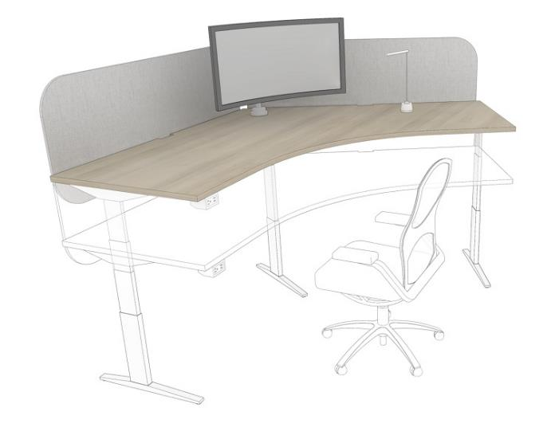
As an alternative in stand alone situations, work surface mounted privacy screens can replace panel elements. This provides the benefit of privacy "moving" with the user as they change the position of the height adjustable work surface.
Additionally, a single, curvilinear computer monitor works well with the 120⁰ angle of this work surface.

PAGE 3

TECHNICAL INFORMATION
1 & 2 - Base Height Panel with Panel Add-On Module
Combined height of 1067 to 1245 mm (42 to 49 in.). Referred to in the Supply Arrangement as "Work Surface Privacy Height Panel".
A - 120⁰ Height Adjustable Work Surface
120⁰ Height Adjustable Work Surface can be 1219 mm (48 in.), 1372 mm (54 in.) or 1524 mm (60 in.) in length (as measured along either of the two back edges), and should be 762 mm (30 in.) in depth (as measured along either of the two side edges).
B - Monitor Arm
Double Monitor Arm recommended for 120⁰ Height Adjustable Work Surfaces 1219 mm (48 in.), 1372 mm (54 in.) or 1524 mm (60 in.) in length.
C - Power Module
For accessibility, a power source is recommended at (or near) the leading edge of the height adjustable work surface
G - Storage Component
If locks are required, keyless (i.e. keypad) is recommended.
PRIMARY INDIVIDUAL | OPEN | WORKSTATION, TYPE 3B |  |  |  |  |  |  |  |  |  | Return to Table of Contents
 | 120⁰ WORK SURFACE & RETURN, AREA: 3.0 - 5.0 m2 (36 - 55 ft 2)
 | COST (EST.): $7,175.00
A
2
3
E
B
1
F
C
D
G

 | DESCRIPTION |  | CAT. | QTY | WIDTH | DEPTH | HEIGHT | OPTIONS | FINISHES | COST (EST.) | GoCUID
 | REQUIRED COMPONENTS
 | 1 | Panel Add-on Module | 1A | 1 | 1524 mm (60 in.) | Max. 102 mm (Max 4 in.) | 1067 to 1245 mm (42 to 49 in.) | Power Below Worksurface | Fabric | $963.00 | N/A
 |  | Base Panel | 1A | 1 |  |  |  |  | Fabric | $631.00 | N/A
 | 2 | Panel Add-on Module | 1A | 1 | 1524 mm (60 in.) | Max. 102 mm (Max 4 in.) | 1067 to 1245 mm (42 to 49 in.) | Power Below Worksurface | Fabric | $963.00 | N/A
 |  | Base Panel | 1A | 1 |  |  |  |  | Fabric | $631.00 | N/A
 | 3 | Panel Add-on Module | 1A | 1 | 1372 mm (54 in.) | Max. 102 mm (Max 4 in.) | 1067 to 1245 mm (42 to 49 in.) | Non-powered | Fabric | $791.00 | N/A
 |  | Base Panel | 1A | 1 |  |  |  |  | Fabric | $479.00 | N/A
 | A | 120⁰ Height Adjustable Work Surface | 2 | 1 | 1524 mm (60 in.) | 762 mm (30 in.) | 584 to 1237 mm (23 to 48.7 in.) | Electric | Laminate | $1,398.00 | 2WSSDEXXL30L60BELXX
 | B | Monitor Arm | 5 | 1 | N/A | N/A | N/A | Double, Clamp Mount | N/A | $217.00 | 5MOADUARMCLPMTXXXXX
 | C | Power Module | 5 | 1 | N/A | N/A | N/A | AC Power & USB | N/A | $102.00 | 5PMOWKSMTACUSBXXXXX
 | D | Task Chair | OS | 1 | N/A | N/A | N/A | Standard Height Back, Fully Adjustable | Fabric | $336.00 | N/A
 | OPTIONAL COMPONENTS
 | E | Task Light | 5 | 1 | N/A | N/A | N/A | Desk Base, AC Power | N/A | $149.00 | 5TLTDSKBAACPWRXXXXX
 | F | Fixed Work Surface | 1B | 2 | 1372 mm (54 in.) | 30 | Fixed | C-Leg Worksurface | Laminate | $229.00 | 1bFFHREC30L54WNOLNY
 | G | Storage | 6 | 1 | 15 | 18 | Varies | Pedestal (Medium), Mobile (Keyless) | Laminate | $286.00 | 1bSPBMCAL1518XXYSXX
PAGE 4 |  |  |  |  |  |  |  |  |  |  | Audio-visual equipment (monitors, laptops, televisions, etc.) are not purchased through the Workspaces or Office Seating Supply Arrangements. They are shown for visualisation purposes only.

PIO | Touchdown
PRIMARY INDIVIDUAL | OPEN | TOUCHDOWN, TYPE 1A |  |  |  |  |  |  |  |  |  | Return to Table of Contents
 | AREA: 1.5 m2 per seat (16 ft2)
 | COST (EST.): $5,698.00
PLAN VIEW
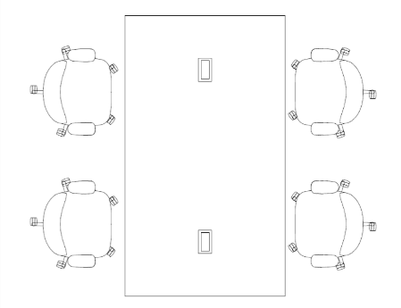
B
A

 | DESCRIPTION |  | CAT. | QTY | WIDTH | DEPTH | HEIGHT | OPTIONS | FINISHES | COST (EST.) | GoCUID
 | A | Kitchen Island Table | 6 | 1 | 2134 mm (84 in.) | 1219 mm (48 in.) | 1041 to 1092 mm (41 to 42 in.) | Power, End Gables | Laminate | $2,098.00 | 6CKIVAREGL48L84PYXX
 | B | Rotary Stool | OS | 4 | N/A | N/A | N/A | Standard Height Back, Fully Adjustable | Fabric | $3,600.00 | N/A
 |  |  |  |  |  |  |  |  |  |  | Audio-visual equipment (monitors, laptops, televisions, etc.) are not purchased through the Workspaces or Office Seating Supply Arrangements. They are shown for visualisation purposes only.

PAGE 1

PRIMARY INDIVIDAUL | OPEN | TOUCHDOWN, TYPE 1B |  |  |  |  |  |  |  |  |  | Return to Table of Contents
 | AREA: 1.5 m2 per seat (16 ft2)
 | COST (EST.): $6,578.00
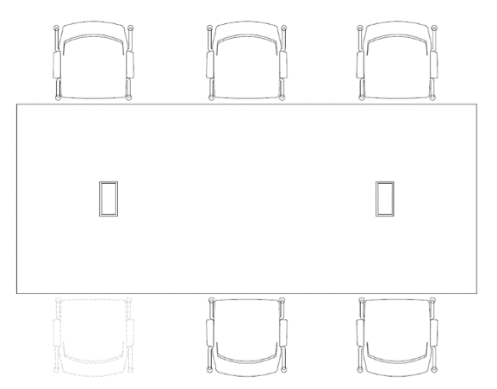
PLAN VIEW
B
A
C

 | DESCRIPTION |  | CAT. | QTY | WIDTH | DEPTH | HEIGHT | OPTIONS | FINISHES | COST (EST.) | GoCUID
 | A | Meeting Table | 6 | 1 | 3353 mm (132 in.) | 1372 mm (54 in.) | 737 mm (29 in.) | Power, End Gables | Laminate | $3,306.00 | 6MMTLGRENL54132WYNX
 | B | Work Surface Privacy Screen | NSA | 2 | N/A | N/A | N/A | N/A | Fabric | $2,040.00 | N/A
 | C | Side Chair | OS | 6 | N/A | N/A | N/A | Armrests, Casters | Fabric | $1,232.00 | BFCWAWSCUBF
 |  |  |  |  |  |  |  |  |  |  | Audio-visual equipment (monitors, laptops, televisions, etc.) are not purchased through the Workspaces or Office Seating Supply Arrangements. They are shown for visualisation purposes only.

PAGE 2

PIO | Focus
PRIMARY INDIVIDUAL | OPEN | FOCUS POD, TYPE 1 |  |  |  |  |  |  |  |  |  | Return to Table of Contents
 | AREA: 4 m2 (43 ft2), 1 OCCUPANT
 | COST (EST.): $2,418.00
B
A
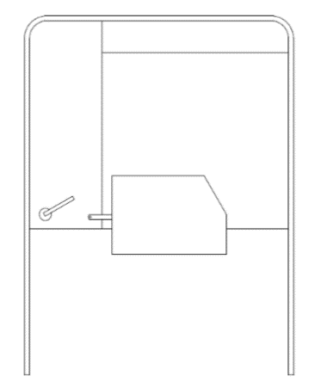
PLAN VIEW

 | DESCRIPTION |  | CAT. | QTY | WIDTH | DEPTH | HEIGHT | OPTIONS | FINISHES | COST (EST.) | GoCUID
 | A | Individual Lounge Pod | 6 | 1 | 1067 to 1524 mm (42 to 60 in.) | 1067 to 1524 mm (42 to 60 in.) | 1168 to 1626 mm (46 to 64") | Tablet Arm | Fabric & Laminate | $2,269.00 | 6OPLWLFSLXC3H46XYTA
 | B | Task Light | 5 | 1 | N/A | N/A | N/A | Desk Base | N/A | $149.00 | 5TLTDSKBAACPWRXXXXX
 |  |  |  |  |  |  |  |  |  |  | Audio-visual equipment (monitors, laptops, televisions, etc.) are not purchased through the Workspaces or Office Seating Supply Arrangements. They are shown for visualisation purposes only.

PAGE 1

PRIMARY INDIVIDAUL | OPEN | FOCUS POD, TYPE 2 |  |  |  |  |  |  |  |  |  | Return to Table of Contents
 | AREA: 4 m2 (43 ft2), 1 OCCUPANT
 | COST (EST.): $4,947.00
B
A
C
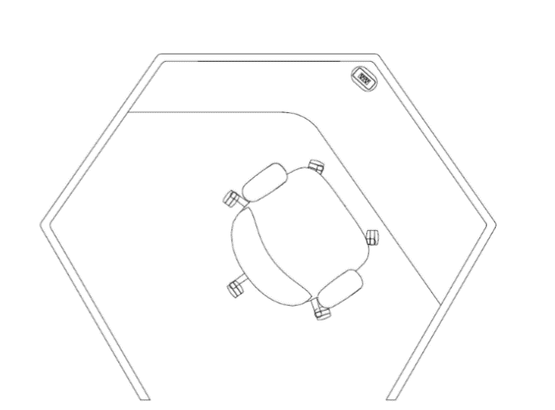
PLAN VIEW

 | DESCRIPTION |  | CAT. | QTY | WIDTH | DEPTH | HEIGHT | OPTIONS | FINISHES | COST (EST.) | GoCUID
 | A | Individual Work Pod | 6 | 1 | 1829 mm (72 in.) | 1829 mm (72 in.) | 1194 to 1549 mm (47 to 61 in.) | Work Surface | Fabric & Laminate | $4,462.00 | 6OIWWSFSLXC1H47XYXX
 | B | Task Chair | OS | 1 | N/A | N/A | N/A | Standard Height Back, Fully Adjustable | Fabric | $336.00 | 7OCHNBMLAASSALMTIUBF
 | C | Task Light | 5 | 1 | N/A | N/A | N/A | Desk Base | N/A | $149.00 | 5TLTDSKBAACPWRXXXXX
 |  |  |  |  |  |  |  |  |  |  | Audio-visual equipment (monitors, laptops, televisions, etc.) are not purchased through the Workspaces or Office Seating Supply Arrangements. They are shown for visualisation purposes only.
 |  |  |  |  |  |  |  |  |  |  | For accessibility opening to Focus Pod should allow for 1700mm (67 in.) turning diameter.

PAGE 2

PIE | Focus
PRIMARY INDIVIDUAL | ENCLOSED | FOCUS ROOM, TYPE 1 |  |  |  |  |  |  |  |  |  | Return to Table of Contents
 | AREA: 7.5 m2 (81 ft2)
 | COST (EST.): $2,008.00
B
A
C
D
E
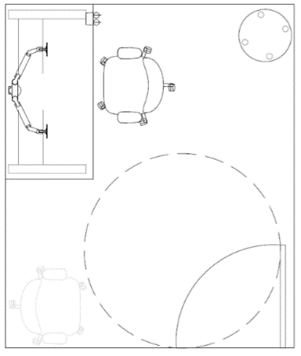
PLAN VIEW

 | DESCRIPTION |  | CAT. | QTY | WIDTH | DEPTH | HEIGHT | OPTIONS | FINISHES | COST (EST.) | GoCUID
 | A | Height Adjustable Work Surface | 2 | 1 | 1524 mm (60 in.) | 762 mm (30 in.) | 584 to 1237 mm (23 to 48.7 in.) | N/A | Laminate | $431.00 | 2WSSREXXL30L60BELXX
 | B | Monitor Arm | 5 | 1 | N/A | N/A | N/A | Double | N/A | $217.00 | 5MOADUARMCLPMTXXXXX
 | C | Power Module | 5 | 1 | N/A | N/A | N/A | AC and USB | N/A | $102.00 | 5PMOWKSMTACUSBXXXXX
 | D | Task Chair | OS | 2 | N/A | N/A | N/A | Standard Height Back, Fully Adjustable | Fabric | $672.00 | N/A
 | E | Upholstered Stool | 6 | 1 | ≥ 457 mm (18 in.) | N/A | 406 to 483 mm (16 to 19 in.) | Small, Round, Casters | Fabric | $586.00 | 6SUCROXXLUX8XXXLXXX
 |  |  |  |  |  |  |  |  |  |  | Audio-visual equipment (monitors, laptops, televisions, etc.) are not purchased through the Workspaces or Office Seating Supply Arrangements. They are shown for visualisation purposes only.
 |  |  |  |  |  |  |  |  |  |  | For accessibility, allow for a 1700 mm (67 in.) turning diameter at indicated location(s).

PAGE 1

PRIMARY INDIVIDUAL | ENCLOSED | FOCUS ROOM, TYPE 2 |  |  |  |  |  |  |  |  |  | Return to Table of Contents
 | AREA: 7.5 m2 (81 ft2)
 | COST (EST.): $1,519.00
B
A
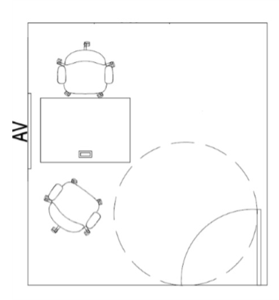
PLAN VIEW

 | DESCRIPTION |  | CAT. | QTY | WIDTH | DEPTH | HEIGHT | OPTIONS | FINISHES | COST (EST.) | GoCUID
 | A | Task Chair | OS | 2 | N/A | N/A | N/A | Standard Height Back, Fully Adjustable | Fabric | $672.00 | N/A
 | B | Training Table | 6 | 1 | 1219 mm (48 in.) | 762 mm (30 in.) | 736 mm (29 in.) | Rectangular, Modesty Panel, Power and Data, Casters | Laminate | $847.00 | None, specify through additional product details
 |  |  |  |  |  |  |  |  |  |  | Audio-visual equipment (monitors, laptops, televisions, etc.) are not purchased through the Workspaces or Office Seating Supply Arrangements. They are shown for visualisation purposes only.
 |  |  |  |  |  |  |  |  |  |  | For accessibility, allow for a 1700 mm (67 in.) turning diameter at indicated location(s).

PAGE 2

PIE | Study
PRIMARY INDIVIDUAL | ENCLOSED | STUDY, TYPE 1 |  |  |  |  |  |  |  |  |  | Return to Table of Contents
 | AREA: 40 m2 (430 ft2), ≤ 10 OCCUPANTS
 | COST (EST.): $13,114.00
A
F
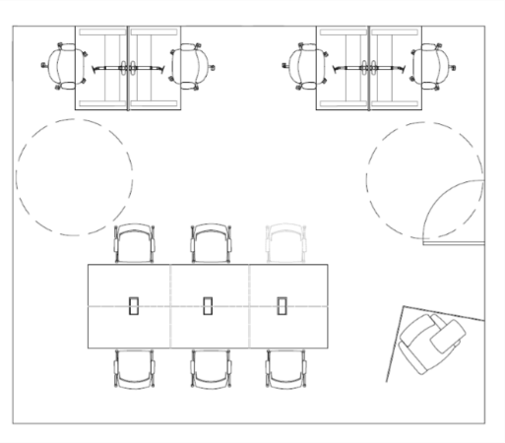
PLAN VIEW
B
C
G
D
H
I
E
 | DESCRIPTION |  | CAT. | QTY | WIDTH | DEPTH | HEIGHT | OPTIONS | FINISHES | COST (EST.) | GoCUID
 | A | Height Adjustable Work Surface | 2 | 4 | 1219 mm (48 in.) | 762 mm (30 in.) | 584 to 1237 mm (23 to 48.7 in.) | Privacy Screen | Laminate | $1,612.00 | 2WSSREXXL30L48BELXX
 | B | Task Chair | OS | 4 | N/A | N/A | N/A | Standard Height Back, Fully Adjustable | Fabric | $1,344.00 | N/A
 | C | Work Surface Screen | NSA | 7 | N/A | N/A | N/A | Freestanding on Surface | Fabric | $2,394.00 | N/A
 | D | Side Chair | OS | 6 | N/A | N/A | N/A | Armrests, Casters | Fabric | $1,232.00 | BFCWAWSCUBF
 | E | Meeting Table | NSA | 1 | 3505 mm (138 in.) | 1219 mm (48 in.) | 737 mm (29 in.) | Power and Data, Y-legs | Laminate | $2,778.00 | N/A
 | F | Privacy Screen | 1B | 4 | N/A | 762 mm (30 in.) | N/A | Work Surface Mounted | Fabric | $692.00 | 1bCPSXXSXXL30XFANNN
 | G | Monitor Arm | 5 | 4 | N/A | N/A | N/A | Single | N/A | $499.00 | 5MOASGARMCLPMTXXXXX
 | H | Freestanding Screen | 6 | 2 | > 1219 mm (48 in.) | N/A | 1422 to 1626 mm (56 to 64 in.) | L-Shaped | Fabric | $1,155.00 | 6LFSUPXXXXW8XXXTXXX
 | I | Tablet Chair | 6 | 1 | N/A | N/A | N/A | Armrests | Fabric & Laminate | $1,408.00 | 6STCWRXXLUXXXXXXNNX
PAGE 1 |  |  |  |  |  |  |  |  |  |  | Audio-visual equipment (monitors, laptops, televisions, etc.) are not purchased through the Workspaces or Office Seating Supply Arrangements. They are shown for visualisation purposes only.
 |  |  |  |  |  |  |  |  |  |  | For accessibility, allow for a 1700 mm (67 in.) turning diameter at indicated location(s).

PRIMARY INDIVIDUAL | ENCLOSED | STUDY, TYPE 2 |  |  |  |  |  |  |  |  |  | Return to Table of Contents
 | AREA: 45 m2 (484 ft2), ≤ 15 OCCUPANTS
 | COST (EST.): $28,269.00
A
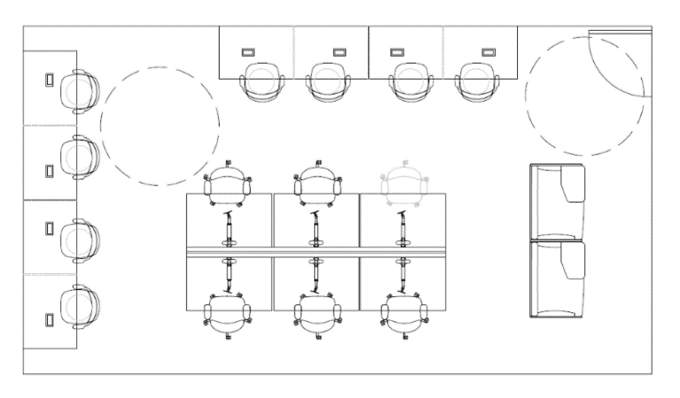
PLAN VIEW
E
B
F
C
D
G
H

 | DESCRIPTION |  | CAT. | QTY | WIDTH | DEPTH | HEIGHT | OPTIONS | FINISHES | COST (EST.) | GoCUID
 | A | Kitchen Island Table | 6 | 4 | 2134 mm (84 in.) | 762 mm ( 30 in.) | 1041 to 1092 mm (41 to 43 in.) | Power, End Gables | Laminate | $6,981.00 | 6CKIVAREGL30L84PYXX
 | B | Rotary Stool | OS | 8 | N/A | N/A | N/A | Standard Height Back, Fully Adjustable | Fabric | $7,200.00 | N/A
 | C | Modular Benching | 2 | 1 | 1219 mm (48 in.) | 762 mm (30 in.) | 584 to 1237 mm (23 to 48.7 in.) | Height Adjustable, 6 Station | Laminate | $3,009.00 | 2B3LREXXL30L48BELFA
 | D | Task Chair | OS | 6 | N/A | N/A | N/A | Standard Height Back, Fully Adjustable | Fabric | $2,016.00 | N/A
 | E | Privacy Screen | 1B | 8 | N/A | 762 mm (30 in.) | N/A | Work Surface Mounted | Fabric | $1,383.00 | 1bCPSXXSXXL30XFANNN
 | F | Work Surface Screen | NSA | 7 | N/A | N/A | N/A | Freestanding on Surface | Fabric | $2,394.00 | N/A
 | G | Monitor Arm | 5 | 6 | N/A | N/A | N/A | Single | N/A | $748.00 | 5MOASGARMCLPMTXXXXX
 | H | Individual Private Lounge Chair | 6 | 2 | 1067 to 1524 mm (42 to 60 in.) | N/A | 1168 to 1626 mm (46 to 64 in.) | Tablet Arm | Fabric & Laminate | $4,538.00 | 6OPLWLFSLXC3H46XYTA
 |  |  |  |  |  |  |  |  |  |  | Audio-visual equipment (monitors, laptops, televisions, etc.) are not purchased through the Workspaces or Office Seating Supply Arrangements. They are shown for visualisation purposes only.
PAGE 2 |  |  |  |  |  |  |  |  |  |  | For accessibility, allow for a 1700 mm (67 in.) turning diameter at indicated location(s).

SI | Phone
SECONDARY INDIVIDUAL | PHONE BOOTH, TYPE 1 |  |  |  |  |  |  |  |  |  | Return to Table of Contents
 | AREA: 5 m2 (54 ft2)
 | COST (EST.): $1,994.00
B
A
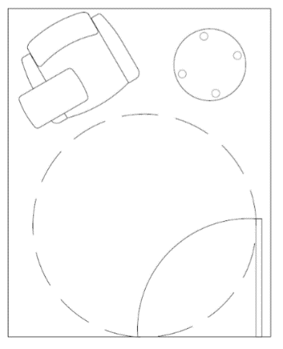
PLAN VIEW

 | DESCRIPTION |  | CAT. | QTY | WIDTH | DEPTH | HEIGHT | OPTIONS | FINISHES | COST (EST.) | GoCUID
 | A | Upholstered Stool | 6 | 1 | ≥ 457 mm (18 in.) | ≥ 457 mm (18 in.) | 406 to 483 mm (16 to 19 in.) | Round, Casters | Fabric | $586.00 | 6SUCROXXLUX8XXXLXXX
 | B | Tablet Chair | 6 | 1 | N/A | N/A | N/A | Armrests | Fabric & Laminate | $1,408.00 | 6STCWRXXLUXXXXXXNNX
 |  |  |  |  |  |  |  |  |  |  | Audio-visual equipment (monitors, laptops, televisions, etc.) are not purchased through the Workspaces or Office Seating Supply Arrangements. They are shown for visualisation purposes only.
 |  |  |  |  |  |  |  |  |  |  | For accessibility, allow for a 1700 mm (67 in.) turning diameter at indicated location(s).

PAGE 1

SECONDARY INDIVIDUAL | PHONE BOOTH, TYPE 2 |  |  |  |  |  |  |  |  |  | Return to Table of Contents
 | AREA: 5 m2 (54 ft2)
 | COST (EST.): $2,492.00
B
A
PLAN VIEW

 | DESCRIPTION |  | CAT. | QTY | WIDTH | DEPTH | HEIGHT | OPTIONS | FINISHES | COST (EST.) | GoCUID
 | A | Modular Bench | 6 | 2 | 635 to 991 mm (25 to 39 in.) | N/A | 406 to 483 mm (16 to 19 in.) | Without Armrests | Fabric | $2,132.00 | 6SMORBXXLU25G19LYNN
 | B | Laptop Table | 6 | 1 | N/A | N/A | N/A | Fixed Height, Rectangular, Swivel Top | Laminate | $360.00 | 6CLTVAREXLW7<36ONXX
 |  |  |  |  |  |  |  |  |  |  | Audio-visual equipment (monitors, laptops, televisions, etc.) are not purchased through the Workspaces or Office Seating Supply Arrangements. They are shown for visualisation purposes only.
 |  |  |  |  |  |  |  |  |  |  | For accessibility, allow for a 1700 mm (67 in.) turning diameter at indicated location(s).

PAGE 2

SECONDARY INDIVIDUAL | PHONE BOOTH, TYPE 3 |  |  |  |  |  |  |  |  |  | Return to Table of Contents
 | AREA: 1 m2 (11 ft2)
 | COST (EST.): $10,000.00
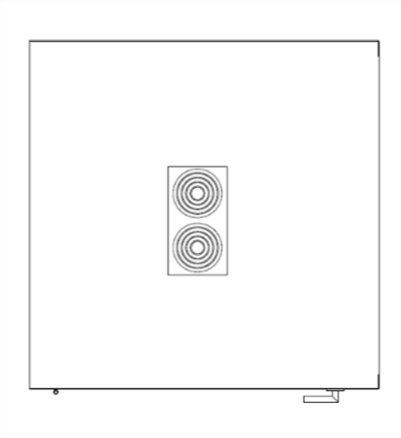
PLAN VIEW
A

 | DESCRIPTION |  | CAT. | QTY | WIDTH | DEPTH | HEIGHT | OPTIONS | FINISHES | COST (EST.) | GoCUID
 | A | Pre-fabricated Phone Booth | NSA | 1 | ≥ 1016 mm (40 in.) | ≥ 737 mm (29 in.) | 2032 to 2311 mm (80 to 91 in.) | N/A | N/A | $10,000.00 | N/A
 |  |  |  |  |  |  |  |  |  |  | Audio-visual equipment (monitors, laptops, televisions, etc.) are not purchased through the Workspaces or Office Seating Supply Arrangements. They are shown for visualisation purposes only.
 |  |  |  |  |  |  |  |  |  |  | Pre-fabricated Phone Booths are currently an NSA product. A draft specification is currently under review.

PAGE 3

SI | Reflection
SECONDARY INDIVIDUAL | REFLECTION POINT, TYPE 1 |  |  |  |  |  |  |  |  |  | Return to Table of Contents
 | AREA: 5 m2 (54 ft2)
 | COST (EST.): $2,879.00
A
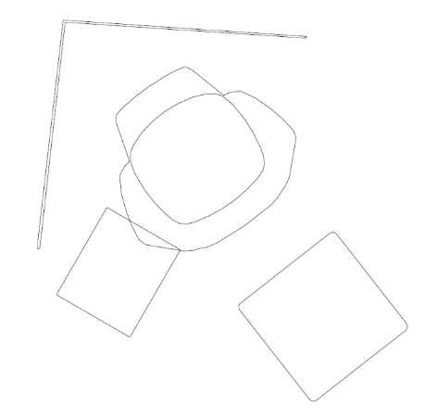
PLAN VIEW
B
C
D

 | DESCRIPTION |  | CAT. | QTY | WIDTH | DEPTH | HEIGHT | OPTIONS | FINISHES | COST (EST.) | GoCUID
 | A | Freestanding Screen | 6 | 2 | > 1219 mm (48 in.) | N/A | 1422 to 1626 mm (56 to 64 in.) | L-Shaped | Fabric | $1,155.00 | 6LFSUPXXXXW8XXXTXXX
 | B | Lounge Chair | 6 | 1 | N/A | N/A | > 686 mm (27 in.) | Armrests, Fixed Base | Fabric | $948.00 | 6SLCWAXXFUXXXXXMXXX
 | C | Laptop Table | 6 | 1 | N/A | N/A | N/A | Fixed Height, Rectangular, Swivel | Laminate | $360.00 | 6CLTVAREXLW7<36ONXX
 | D | Ottoman | 6 | 1 | N/A | N/A | 406 to 483 mm (16 to 19 in.) | Small, Square | Fabric | $416.00 | 6SUOPSXXLUXXXXXLNNN
 |  |  |  |  |  |  |  |  |  |  | Audio-visual equipment (monitors, laptops, televisions, etc.) are not purchased through the Workspaces or Office Seating Supply Arrangements. They are shown for visualisation purposes only.

PAGE 1

CO | Chat
COLLABORATIVE | OPEN | CHAT POINT, TYPE 1 |  |  |  |  |  |  |  |  |  | Return to Table of Contents
 | AREA: 4 m2 (43 ft2)
 | COST (EST.): $2,035.00
B
A
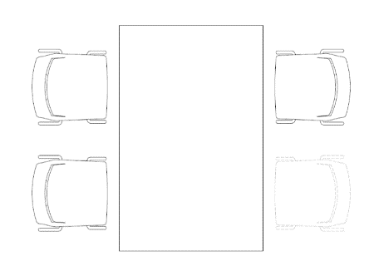
PLAN VIEW

 | DESCRIPTION |  | CAT. | QTY | WIDTH | DEPTH | HEIGHT | OPTIONS | FINISHES | COST (EST.) | GoCUID
 | A | Meeting Table | 6 | 1 | 1676 mm (66 in.) | 1069 mm (42 in.) | 737 mm (29 in.) | Rectangular, Column Leg | Laminate | $1,381.00 | 6MMTMDREOL42L66WYNX
 | B | Kitchenette Chair | 6 | 4 | ≥ 406 mm (16 in.) | N/A | 432 to 508 mm (17 to 20 in.) | Without Armrests, 4 Legs | Polymer | $654.00 | 6KKCSAxxLY16XXXMONX
 |  |  |  |  |  |  |  |  |  |  | Audio-visual equipment (monitors, laptops, televisions, etc.) are not purchased through the Workspaces or Office Seating Supply Arrangements. They are shown for visualisation purposes only.

PAGE 1

COLLABORATIVE | OPEN | CHAT POINT, TYPE 2 |  |  |  |  |  |  |  |  |  | Return to Table of Contents
 | AREA: 4 m2 (43 ft2)
 | COST (EST.): $3,219.00
B
A
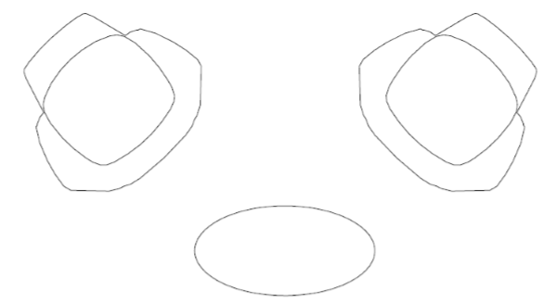
PLAN VIEW

 | DESCRIPTION |  | CAT. | QTY | WIDTH | DEPTH | HEIGHT | OPTIONS | FINISHES | COST (EST.) | GoCUID
 | A | Lounge Chair | 6 | 1 | N/A | N/A | > 686 mm (27 in.) | Armrests, Fixed Base | Fabric | $2,844.00 | 6SLCWAXXFUXXXXXMXXX
 | B | Coffee Table | 6 | 1 | 914 mm (36 in.) | 457 mm (18 in.) | N/A | Oval, Post Legs | Laminate | $375.00 | 6CCTVAOVLL18L36JNXX
 |  |  |  |  |  |  |  |  |  |  | Audio-visual equipment (monitors, laptops, televisions, etc.) are not purchased through the Workspaces or Office Seating Supply Arrangements. They are shown for visualisation purposes only.

PAGE 2

CO | Huddle
COLLABORATIVE | OPEN | HUDDLE, TYPE 1 |  |  |  |  |  |  |  |  |  | Return to Table of Contents
 | AREA: 6 m2 (65 ft2)
 | COST (EST.): $3,801.00
B
A
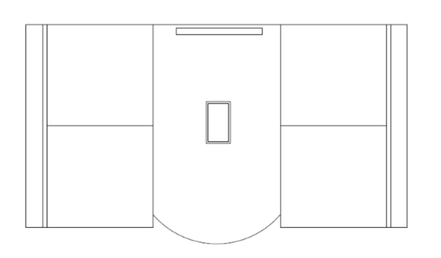
PLAN VIEW

 | DESCRIPTION |  | CAT. | QTY | WIDTH | DEPTH | HEIGHT | OPTIONS | FINISHES | COST (EST.) | GoCUID
 | A | Banquette | 6 | 2 | 1219 mm (48 in.) | > 483 mm (19 in.) | 406 to 508 mm (16 to 20 in.) | Mid-height Back, 2 Seater, Legs | Fabric | $2,101.00 | 6SBATWXXLUW3G19LMNY
 | B | Meeting Table | NSA | 1 | 1321 mm (52 in.) | 762 mm (30 in.) | 686 mm (27 in.) | D-Top, Power and Data, Pedestal Base | Laminate | $1,700.00 | N/A
 |  |  |  |  |  |  |  |  |  |  | Audio-visual equipment (monitors, laptops, televisions, etc.) are not purchased through the Workspaces or Office Seating Supply Arrangements. They are shown for visualisation purposes only.

PAGE 1

COLLABORATIVE | OPEN | HUDDLE, TYPE 2 |  |  |  |  |  |  |  |  |  | Return to Table of Contents
 | AREA: 7 m2 (75 ft2)
 | COST (EST.): $5,426.00
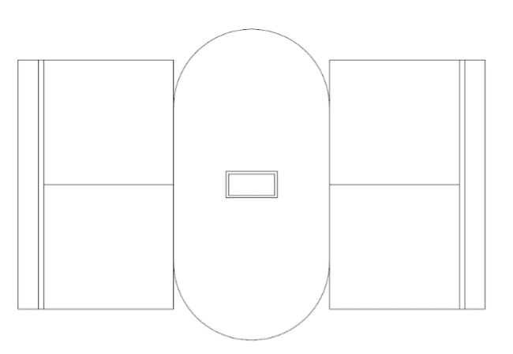
PLAN VIEW
B
A

 | DESCRIPTION |  | CAT. | QTY | WIDTH | DEPTH | HEIGHT | OPTIONS | FINISHES | COST (EST.) | GoCUID
 | A | Banquette | 6 | 2 | 1219 mm (48 in.) | > 483 mm (19 in.) | 406 to 508 mm (16 to 20 in.) | Low-height Back, Privacy Screen, Legs | Fabric | $3,726.00 | 6SBATWXXLUW3G19LLYN
 | B | Meeting Table | NSA | 1 | 914 mm (36 in.) | 457 mm (18 in.) | 736 mm (29 in.) | Racetrack, Power and Data, Pedestal Base | Laminate | $1,700.00 | N/A
 |  |  |  |  |  |  |  |  |  |  | Audio-visual equipment (monitors, laptops, televisions, etc.) are not purchased through the Workspaces or Office Seating Supply Arrangements. They are shown for visualisation purposes only.

PAGE 2

COLLABORATIVE | OPEN | HUDDLE, TYPE 3 |  |  |  |  |  |  |  |  |  | Return to Table of Contents
 | AREA: 7 m2 (75 ft2)
 | COST (EST.): $7,847.00

A

 | DESCRIPTION |  | CAT. | QTY | WIDTH | DEPTH | HEIGHT | OPTIONS | FINISHES | COST (EST.) | GoCUID
 | A | Group Work Pod | 6 | 1 | 2006 to 2591 mm (79 to 102 in.) | 2006 to 2591 mm (79 to 102 in.) | 1194 to 1549 mm (47 to 61 in.) | Work Surface | Fabric & Laminate | $7,847.00 | 6OGWWFFSLXC2H47XYXX
 |  |  |  |  |  |  |  |  |  |  | Audio-visual equipment (monitors, laptops, televisions, etc.) are not purchased through the Workspaces or Office Seating Supply Arrangements. They are shown for visualisation purposes only.

PAGE 3

CO | Lounge
COLLABORATIVE | OPEN | LOUNGE, TYPE 1 |  |  |  |  |  |  |  |  |  | Return to Table of Contents
 | AREA: 8 m2 (86 ft2)
 | COST (EST.): $5,693.00
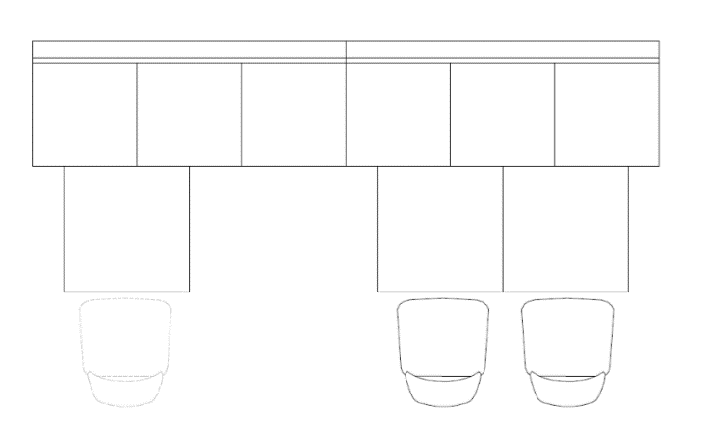
PLAN VIEW
B
A
C

 | DESCRIPTION |  | CAT. | QTY | WIDTH | DEPTH | HEIGHT | OPTIONS | FINISHES | COST (EST.) | GoCUID
 | A | Banquette | 6 | 2 | 1600 to 1905 mm (62 to 75 in.) | > 483 mm (19 in.) | 406 to 508 mm (16 to 20 in.) | Mid-height Back, Legs | Fabric | $3,428.00 | 6SBATHXXLUW5G19LMNN
 | B | Collaborative Meeting Table | 6 | 3 | 762 mm (30 in. ) | 762 mm (30 in.) | 736 mm (29 in.) | Square, Pedestal Base | Laminate | $1,559.00 | 6MMTSMSQPL30L30WNNX
 | C | Kitchenette Chair | 6 | 3 | N/A | > 406 mm (16 in.) | 432 to 508 mm (17 to 20 in.) | Standard Height, Sled Base | Polymer | $706.00 | 6KKCSAxxSY16XXXMONX
 |  |  |  |  |  |  |  |  |  |  | Audio-visual equipment (monitors, laptops, televisions, etc.) are not purchased through the Workspaces or Office Seating Supply Arrangements. They are shown for visualisation purposes only.

PAGE 1

COLLABORATIVE | OPEN | LOUNGE, TYPE 2 |  |  |  |  |  |  |  |  |  | Return to Table of Contents
 | AREA: 5 m2 (54 ft2)
 | COST (EST.): $2,487.00
A
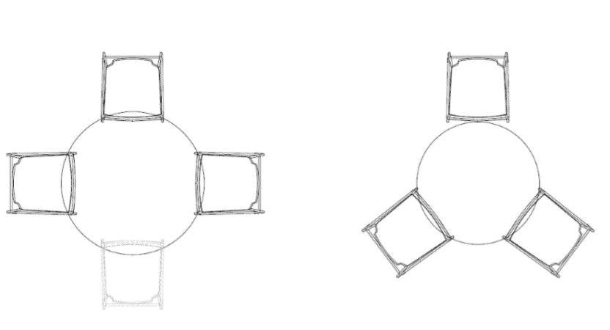
PLAN VIEW
B
C
D

 | DESCRIPTION |  | CAT. | QTY | WIDTH | DEPTH | HEIGHT | OPTIONS | FINISHES | COST (EST.) | GoCUID
 | A | Kitchenette Chair | 6 | 3 | N/A | > 406 mm (16 in.) | 432 to 508 mm (17 to 20 in.) | Standard Height, Sled Base | Polymer | $706.00 | 6KKCSAxxSY16XXXMONX
 | B | Meeting Table | 6 | 1 | 1067 mm (42 in.) | 1067 mm (42 in.) | 737 mm (29 in.) | Standard Height, Round, Pedestal Base | Laminate | $556.00 | 6MMTSMROPL42XXXWNNX
 | C | Kitchenette Chair | 6 | 3 | N/A | > 406 mm (16 in.) | 432 to 508 mm (17 to 20 in.) | Counter Height, Sled Base | Polymer | $757.00 | 6KBSCHxxSY15XXXPONX
 | D | Meeting Table | 6 | 1 | 914 mm (36 in.) | 914 mm (36 in.) | 864 to 940 mm (34 to 37 in.) | Counter Height, Round, Pedestal Base | Laminate | $468.00 | 6CCMVAROPL36XXXTNXX
 |  |  |  |  |  |  |  |  |  |  | Audio-visual equipment (monitors, laptops, televisions, etc.) are not purchased through the Workspaces or Office Seating Supply Arrangements. They are shown for visualisation purposes only.

PAGE 2

COLLABORATIVE | OPEN | LOUNGE, TYPE 3 |  |  |  |  |  |  |  |  |  | Return to Table of Contents
 | AREA: 7 m2 (75 ft2)
 | COST (EST.): $5,445.00
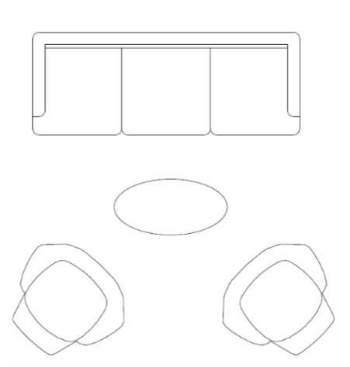
PLAN VIEW
B
A
C

 | DESCRIPTION |  | CAT. | QTY | WIDTH | DEPTH | HEIGHT | OPTIONS | FINISHES | COST (EST.) | GoCUID
 | A | Lounge Chair | 6 | 2 | N/A | N/A | > 686 mm (27 in.) | Armrests, Fixed Base | Fabric | $2,844.00 | 6SLCWAXXFUXXXXXMXXX
 | B | Sofa | 6 | 1 | 1854 to 2159 mm (73 to 85 in.) | N/A | 686 to 838 mm (27 to 33 in.) | Armrests, 3 Seater, Legs | Fabric | $2,226.00 | 6SSOTHXXLUW6XXXQNNY
 | C | Coffee Table | 6 | 1 | 914mm (36 in.) | 457mm (18 in.) | 356 to 534mm (14 to 21 in.) | Oval, Post Legs | Laminate | $375.00 | 6CCTVAOVLL18L36JNXX
 |  |  |  |  |  |  |  |  |  |  | Audio-visual equipment (monitors, laptops, televisions, etc.) are not purchased through the Workspaces or Office Seating Supply Arrangements. They are shown for visualisation purposes only.

PAGE 3

COLLABORATIVE | OPEN | LOUNGE, TYPE 4A |  |  |  |  |  |  |  |  |  | Return to Table of Contents
 | MODULAR BENCHING, VARIOUS SIZES & CONFIGURATIONS
 | COST (EST.): $6,274.00
PLAN VIEW
B
A

 | DESCRIPTION |  | CAT. | QTY | WIDTH | DEPTH | HEIGHT | OPTIONS | FINISHES | COST (EST.) | GoCUID
 | A | Modular Bench | 6 | 4 | 635 to 991 mm (25 to 39 in.) | > 483 mm (19 in.) | 406 to 483 mm (16 to 19 in.) | Rectilinear, Backrest | Fabric | $4,263.00 | 6SMORBXXLU25G19LYNN
 | B | Modular Bench | 6 | 4 | 635 to 991 mm (25 to 39 in.) | > 483 mm (19 in.) | 406 to 483 mm (16 to 19 in.) | Rectilinear | Fabric | $2,011.00 | 6SMORBXXLU25G19LNNN
 |  |  |  |  |  |  |  |  |  |  | Audio-visual equipment (monitors, laptops, televisions, etc.) are not purchased through the Workspaces or Office Seating Supply Arrangements. They are shown for visualisation purposes only.

PAGE 4

COLLABORATIVE | OPEN | LOUNGE, TYPE 4B |  |  |  |  |  |  |  |  |  | Return to Table of Contents
 | MODULAR BENCHING, VARIOUS SIZES & CONFIGURATIONS
 | COST (EST.): $5,002.00
PLAN VIEW
B
A

 | DESCRIPTION |  | CAT. | QTY | WIDTH | DEPTH | HEIGHT | OPTIONS | FINISHES | COST (EST.) | GoCUID
 | A | Modular Bench with Power and Data Side Table | 6 | 1 | 635 to 991 mm (25 to 39 in.) | > 483 mm (19 in.) | 406 to 483 mm (16 to 19 in.) | Rectilinear, Backrest | Fabric | $1,805.00 | 6SMPRBXXLU25G19LYNN
 | B | Modular Bench | 6 | 3 | 635 to 991 mm (25 to 39 in.) | > 483 mm (19 in.) | 406 to 483 mm (16 to 19 in.) | Rectilinear, Backrest | Fabric | $3,197.00 | 6SMORBXXLU25G19LYNN
 |  |  |  |  |  |  |  |  |  |  | Audio-visual equipment (monitors, laptops, televisions, etc.) are not purchased through the Workspaces or Office Seating Supply Arrangements. They are shown for visualisation purposes only.

PAGE 5

COLLABORATIVE | OPEN | LOUNGE, TYPE 4C |  |  |  |  |  |  |  |  |  | Return to Table of Contents
 | MODULAR BENCHING, VARIOUS SIZES & CONFIGURATIONS
 | COST (EST.): $4,284.00
A
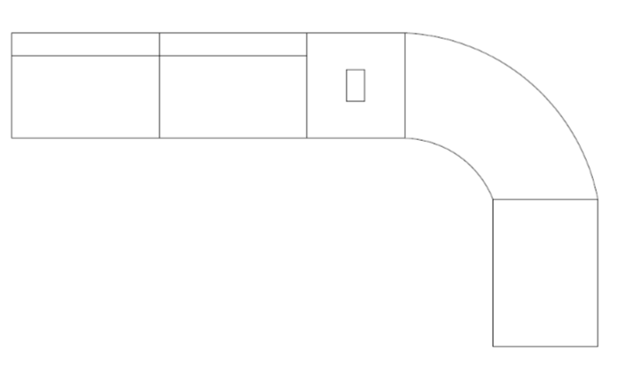
PLAN VIEW
B
C
D

 | DESCRIPTION |  | CAT. | QTY | WIDTH | DEPTH | HEIGHT | OPTIONS | FINISHES | COST (EST.) | GoCUID
 | A | Modular Bench | 6 | 1 | 635 to 991 mm (25 to 39 in.) | > 483 mm (19 in.) | 406 to 483 mm (16 to 19 in.) | Curvilinear | Fabric | $910.00 | 6SMOCBXXLU37G19LNNN
 | B | Modular Bench with Power and Data Side Table | 6 | 1 | 635 to 991 mm (25 to 39 in.) | > 483 mm (19 in.) | 406 to 483 mm (16 to 19 in.) | Rectilinear, Backrest | Fabric | $1,805.00 | 6SMPRBXXLU25G19LYNN
 | C | Modular Bench | 6 | 1 | 635 to 991 mm (25 to 39 in.) | > 483 mm (19 in.) | 406 to 483 mm (16 to 19 in.) | Rectilinear, Backrest | Fabric | $1,066.00 | 6SMORBXXLU25G19LYNN
 | D | Modular Bench | 6 | 1 | 635 to 991 mm (25 to 39 in.) | > 483 mm (19 in.) | 406 to 483 mm (16 to 19 in.) | Rectilinear | Fabric | $503.00 | 6SMORBXXLU25G19LNNN
 |  |  |  |  |  |  |  |  |  |  | Audio-visual equipment (monitors, laptops, televisions, etc.) are not purchased through the Workspaces or Office Seating Supply Arrangements. They are shown for visualisation purposes only.

PAGE 6

COLLABORATIVE | OPEN | LOUNGE, TYPE 4D |  |  |  |  |  |  |  |  |  | Return to Table of Contents
 | MODULAR BENCHING, VARIOUS SIZES & CONFIGURATIONS
 | COST (EST.): $6,598.00
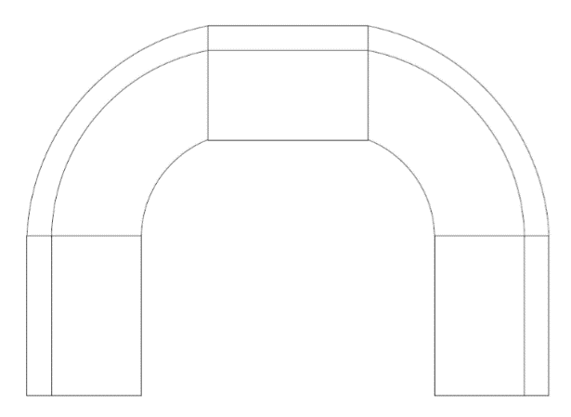
PLAN VIEW
B
A

 | DESCRIPTION |  | CAT. | QTY | WIDTH | DEPTH | HEIGHT | OPTIONS | FINISHES | COST (EST.) | GoCUID
 | A | Modular Bench | 6 | 3 | 635 to 991 mm (25 to 39 in.) | > 483 mm (19 in.) | 406 to 483 mm (16 to 19 in.) | Rectilinear, Backrest | Fabric | $3,197.00 | 6SMORBXXLU25G19LYNN
 | B | Modular Bench | 6 | 2 | 635 to 991 mm (25 to 39 in.) | > 483 mm (19 in.) | 406 to 483 mm (16 to 19 in.) | Curvilinear, Backrest | Fabric | $3,401.00 | 6SMOCBXXLU37G19LYNN
 |  |  |  |  |  |  |  |  |  |  | Audio-visual equipment (monitors, laptops, televisions, etc.) are not purchased through the Workspaces or Office Seating Supply Arrangements. They are shown for visualisation purposes only.

PAGE 7

COLLABORATIVE | OPEN | LOUNGE, TYPE 4E |  |  |  |  |  |  |  |  |  | Return to Table of Contents
 | MODULAR BENCHING, VARIOUS SIZES & CONFIGURATIONS
 | COST (EST.): $7,305.00
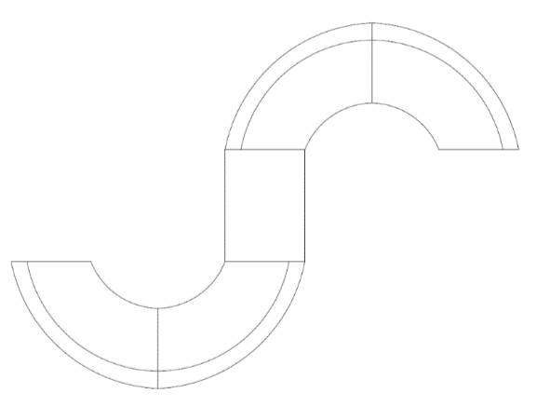
PLAN VIEW
B
A

 | DESCRIPTION |  | CAT. | QTY | WIDTH | DEPTH | HEIGHT | OPTIONS | FINISHES | COST (EST.) | GoCUID
 | A | Modular Bench | 6 | 4 | 635 to 991 mm (25 to 39 in.) | > 483 mm (19 in.) | 406 to 483 mm (16 to 19 in.) | Curvilinear, Backrest | Fabric | $6,802.00 | 6SMOCBXXLU37G19LYNN
 | B | Modular Bench | 6 | 1 | 635 to 991 mm (25 to 39 in.) | > 483 mm (19 in.) | 406 to 483 mm (16 to 19 in.) | Rectilinear | Fabric | $503.00 | 6SMORBXXLU25G19LNNN
 |  |  |  |  |  |  |  |  |  |  | Audio-visual equipment (monitors, laptops, televisions, etc.) are not purchased through the Workspaces or Office Seating Supply Arrangements. They are shown for visualisation purposes only.

PAGE 8

COLLABORATIVE | OPEN | LOUNGE, TYPE 4F |  |  |  |  |  |  |  |  |  | Return to Table of Contents
 | MODULAR BENCHING, VARIOUS SIZES & CONFIGURATIONS
 | COST (EST.): $7,326.00
PLAN VIEW
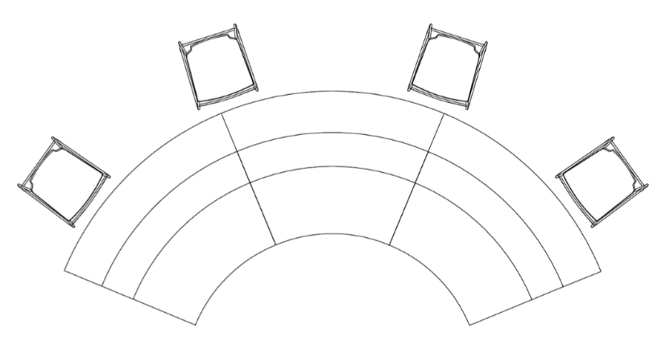
B
A

 | DESCRIPTION |  | CAT. | QTY | WIDTH | DEPTH | HEIGHT | OPTIONS | FINISHES | COST (EST.) | GoCUID
 | A | Modular Bench with Table Attachment | NSA | 3 | 635 to 991 mm (25 to 39 in.) | > 483 mm (19 in.) | 406 to 483 mm (16 to 19 in.) | Curvilinear, Backrest | Fabric | $5,400.00 | N/A
 | B | Bar Stool | 6 | 4 | N/A | > 381 mm (15 in.) | 610 to 686 mm (24 to 27 in.) | Counter Height, Seat Cushion, 4 Legs | Polymer & Fabric | $1,926.00 | 6KBSCHxxLY15XXXPOYX
 |  |  |  |  |  |  |  |  |  |  | Audio-visual equipment (monitors, laptops, televisions, etc.) are not purchased through the Workspaces or Office Seating Supply Arrangements. They are shown for visualisation purposes only.

PAGE 9

CO | Teaming
COLLABORATIVE | OPEN | TEAMING AREA, TYPE 1 |  |  |  |  |  |  |  |  |  | Return to Table of Contents
 | AREA: 35 m2 (376 ft2)
 | COST (EST.): $13,457.00
A
PLAN VIEW
E
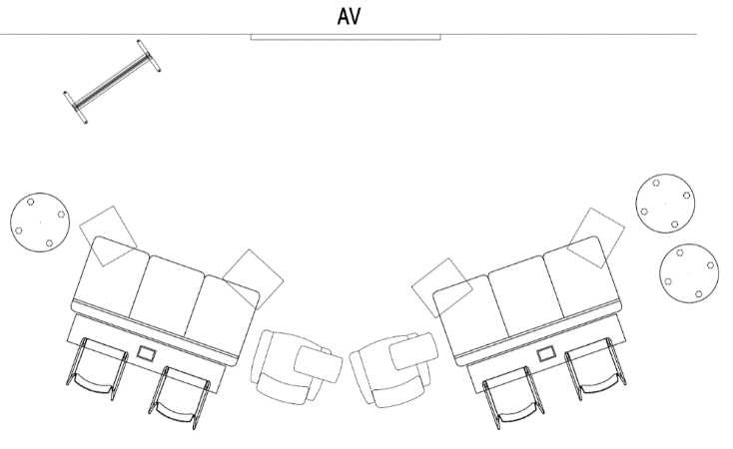
B
F
C
D
G

 | DESCRIPTION |  | CAT. | QTY | WIDTH | DEPTH | HEIGHT | OPTIONS | FINISHES | COST (EST.) | GoCUID
 | A | Freestanding Mobile White Board | 6 | 1 | N/A | N/A | N/A | Writable Surface on Both Sides | Fabric | $996.00 | 6LWBFWWSXXXXXXXXNNN
 | B | Narrow Side Table | 6 | 2 | 1524 to 1676 mm (60 to 66 in.) | 309 to 457 mm (12 to 18 in.) | 864 to 1067 mm (34" to 42") | Counter Height, Rectangular, End Gables, Power and Data | Laminate | $1,821.00 | 6CNTCHREGLW8606UYXX
 | C | Banquette | 6 | 2 | 1727 to 1905 mm (68 to 75 in.) | > 483 mm (19 in.) | 406 to 508 mm (16 to 20 in.) | Mid-height Back, 3 Seater, Legs | Fabric | $2,700.00 | 6SBATHXXBUW5G19LMNN
 | D | Tablet Chair | 6 | 2 | N/A | N/A | N/A | Armrests | Fabric & Laminate | $2,816.00 | 6STCWRXXLUXXXXXXNNX
 | E | Laptop Table | 6 | 4 | N/A | N/A | N/A | Fixed Height, Rectangular, Swivel Top | Laminate | $1,440.00 | 6CLTVAREXLW7<36ONXX
 | F | Bar Stool | 6 | 4 | N/A | > 381 mm (15 in.) | 610 to 686 mm (24 to 27 in.) | Counter Height, Seat Cushion, 4 Legs | Polymer & Fabric | $1,926.00 | 6KBSCHxxLY15XXXPOYX
 | G | Upholstered Stool | 6 | 4 | > 457 mm (18 in.) | > 457 mm (18 in.) | 406 to 483mm (16 to 19 in.) | Small, Round, Casters | Fabric | $1,758.00 | 6SUCROXXLUX8XXXLXXX
 |  |  |  |  |  |  |  |  |  |  | Audio-visual equipment (monitors, laptops, televisions, etc.) are not purchased through the Workspaces or Office Seating Supply Arrangements. They are shown for visualisation purposes only.

PAGE 1

COLLABORATIVE | OPEN | TEAMING AREA, TYPE 2 |  |  |  |  |  |  |  |  |  | Return to Table of Contents
 | AREA: 25 m2 (269 ft2)
 | COST (EST.): $15,899.00
A
E
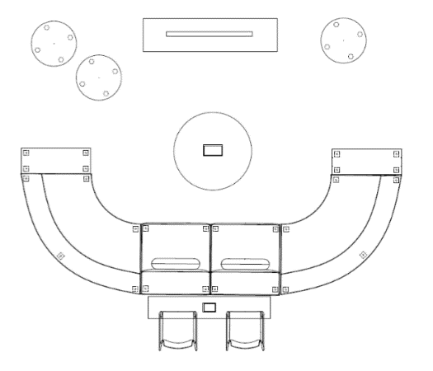
PLAN VIEW
B
F
C
D
G

 | DESCRIPTION |  | CAT. | QTY | WIDTH | DEPTH | HEIGHT | OPTIONS | FINISHES | COST (EST.) | GoCUID
 | A | Freestanding Mobile White Board | 6 | 1 | N/A | N/A | N/A | Writable Surface on Both Sides | Laminate | $996.00 | 6LWBFWWSXXXXXXXXNNN
 | B | Collaborative Meeting Table | 6 | 1 | 1067 mm (42 in.) | 1067 mm (42 in.) | 635 mm (25 in.) | Power and Data, Pedestal Base | Laminate | $900.00 | 6CCLVAROPL42XXXAvXX
 | C | Narrow Side Table | 6 | 2 | 1524 to 1676 mm (60 to 66 in.) | 309 to 457 mm (12 to 18 in.) | 864 to 1067 mm (34 to 42 in.) | Counter Height, Rectangular, End Gables, Power and Data | Laminate | $1,821.00 | 6CNTCHREGLW8606UYXX
 | D | Bar Stool | 6 | 2 | N/A | > 381 mm (15 in.) | 610 to 686 mm (24 to 27 in.) | Counter Height, Seat Cushion, 4 Legs | Polymer & Fabric | $963.00 | 6KBSCHxxLY15XXXPOYX
 | E | Upholstered Stool | 6 | 2 | > 457 mm (18 in.) | > 457 mm (18 in.) | 406 to 483 mm (16 to 19 in.) | Small, Round, Casters | Fabric | $1,172.00 | 6SUCROXXLUX8XXXLXXX
 | F | Modular Bench | 6 | 2 | 635 to 991 mm (25 to 39 in.) | > 483 mm (19 in.) | 406 to 483 mm (16 to 19 in.) | Rectilinear, Backrest | Fabric | $2,132.00 | 6SMORBXXLU25G19LYNN
 | G | Modular Bench with Power and Data Side Table | 6 | 2 | 940 to 1397 mm (37" to 55") | > 483 mm (19 in.) | 406 to 483 mm (16 to 19 in.) | Curvilinear, Backrest | Fabric & Laminate | $7,915.00 | 6SMPCBXXLU37G19LYNN
 |  |  |  |  |  |  |  |  |  |  | Audio-visual equipment (monitors, laptops, televisions, etc.) are not purchased through the Workspaces or Office Seating Supply Arrangements. They are shown for visualisation purposes only.

PAGE 2

COLLABORATIVE | OPEN | TEAMING AREA, TYPE 3 |  |  |  |  |  |  |  |  |  | Return to Table of Contents
 | AREA: 20 m2 (215 ft2)
 | COST (EST.): $14,739.00
B
A
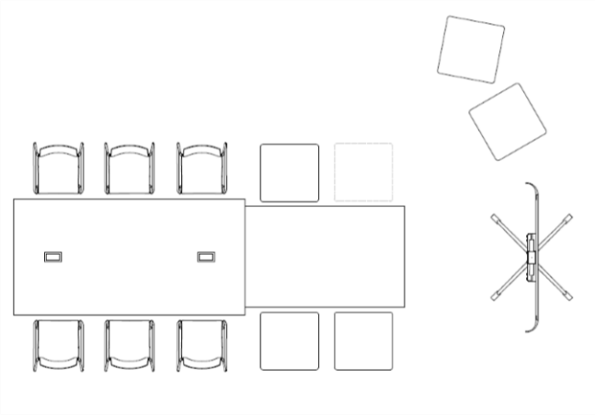
PLAN VIEW
C
D
E
 | DESCRIPTION |  | CAT. | QTY | WIDTH | DEPTH | HEIGHT | OPTIONS | FINISHES | COST (EST.) | GoCUID
 | A | Meeting Table | 6 | 1 | 1676 mm (66 in.) | 1067 mm (42 in.) | 737 mm (29 in.) | Power and Data, Post Legs | Laminate | $1,381.00 | 6MMTMDREOL42L66WYNX
 | B | Kitchen Island Table | 6 | 1 | 2438 mm (96 in.) | 1219 mm (48 in.) | 1041 to 1092 mm (41 to 43 in.) | Power and Data, End Gables | Laminate | $2,159.00 | 6CKIVAREGL48L96PYXX
 | C | Bar Stool | 6 | 6 | N/A | > 381 mm (15 in.) | 610 to 686 mm (24 to 27 in.) | Counter Height, Seat Cushion, 4 Legs | Polymer & Fabric | $2,889.00 | 6KBSCHxxLY15XXXPOYX
 | D | Upholstered Ottoman | 6 | 6 | N/A | N/A | 406 to 483 mm (16 to 19 in.) | Small, Square | Fabric and Laminate | $3,737.00 | 6SUOPSXXLUXXXXXLNNN
 | E | Freestanding Mobile Monitor Mount | 6 | 1 | N/A | N/A | N/A | 1219 to 1524 mm (48 to 60 in.) Monitor, Writeable Surface on Backside | N/A | $4,573.00 | 6LMMDMWSXDW8XXXXNNN
 |  |  |  |  |  |  |  |  |  |  | Audio-visual equipment (monitors, laptops, televisions, etc.) are not purchased through the Workspaces or Office Seating Supply Arrangements. They are shown for visualisation purposes only.

PAGE 3

CE | Meeting
COLLABORATIVE | ENCLOSED | LARGE MEETING ROOM, TYPE 1 |  |  |  |  |  |  |  |  |  | Return to Table of Contents
 | AREA: 60 m2 (645 ft2), 20+ OCCUPANTS
 | COST (EST.): $21,503.00
A
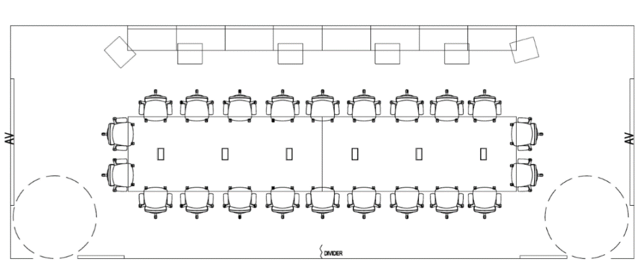
PLAN VIEW
B
C
D

 | DESCRIPTION |  | CAT. | QTY | WIDTH | DEPTH | HEIGHT | OPTIONS | FINISHES | COST (EST.) | GoCUID
 | A | Conference Chair | OS | 22 | N/A | N/A | N/A | Standard Mid-Back, Fully Adjustable | Fabric | $4,290.00 | N/A
 | B | Meeting Table | 6 | 2 | 3962 mm (156 in.) | 1524 mm (60 in.) | 737 mm (29 in.) | Large, Rectangular, Power and Data, Post Leg | Laminate | $6,528.00 | 6MMTLGREOL60156WYNX
 | C | Modular Bench | 6 | 8 | 635 to 991 mm (25 to 39 in.) | > 483 mm (19 in.) | 406 to 483 mm (16 to 19 in.) | Rectilinear, Backrest | Fabric | $8,525.00 | 6SMORBXXLU25G19LYNN
 | D | Laptop Table | 6 | 6 | N/A | N/A | N/A | Fixed Height, Rectangular, Swivel Top | Laminate | $2,160.00 | 6CLTVAREXLW7<36ONXX
 |  |  |  |  |  |  |  |  |  |  | Audio-visual equipment (monitors, laptops, televisions, etc.) are not purchased through the Workspaces or Office Seating Supply Arrangements. They are shown for visualisation purposes only.
 |  |  |  |  |  |  |  |  |  |  | For accessibility, allow for a 1700 mm (67 in.) turning diameter at indicated location(s).

PAGE 1

COLLABORATIVE | ENCLOSED | MEDIUM MEETING ROOM, TYPE 1 |  |  |  |  |  |  |  |  |  | Return to Table of Contents
 | AREA: 32 m2 (344 ft2), 12 OCCUPANTS
 | COST (EST.): $6,341.00
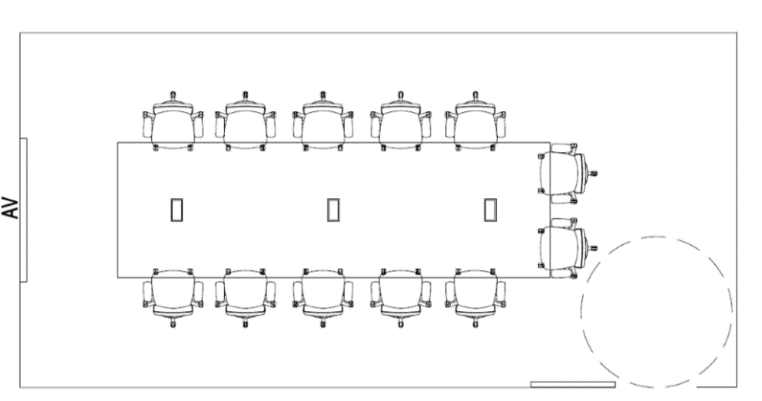
PLAN VIEW
B
A

 | DESCRIPTION |  | CAT. | QTY | WIDTH | DEPTH | HEIGHT | OPTIONS | FINISHES | COST (EST.) | GoCUID
 | A | Conference Chair | OS | 12 | N/A | N/A | N/A | Standard Mid-Back, Fully Adjustable | Fabric | $2,340.00 | N/A
 | B | Meeting Table | 6 | 1 | 4879 mm (192 in.) | 1524 mm (60 in.) | 737 mm (29 in.) | Large, Rectangular, Power and Data, Post-Leg Columns | Laminate | $4,001.00 | 6MMTLGREOL60192WYNX
 |  |  |  |  |  |  |  |  |  |  | Audio-visual equipment (monitors, laptops, televisions, etc.) are not purchased through the Workspaces or Office Seating Supply Arrangements. They are shown for visualisation purposes only.
 |  |  |  |  |  |  |  |  |  |  | For accessibility, allow for a 1700 mm (67 in.) turning diameter at indicated location(s).

PAGE 2

COLLABORATIVE | ENCLOSED | MEDIUM MEETING ROOM, TYPE 2 |  |  |  |  |  |  |  |  |  | Return to Table of Contents
 | AREA: 30 m2 (323 ft2), 7 OCCUPANTS
 | COST (EST.): $5,472.00
PLAN VIEW
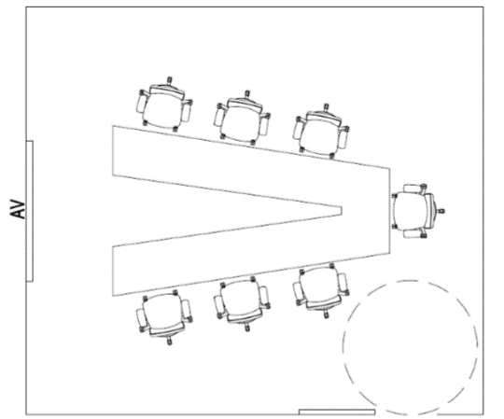
B
A

 | DESCRIPTION |  | CAT. | QTY | WIDTH | DEPTH | HEIGHT | OPTIONS | FINISHES | COST (EST.) | GoCUID
 | A | Video Conference Table | 6 | 1 | 3505 mm (138 in.) | 1067 mm (42 in.) | 737 mm (29 in.) | V-Shape, Modesty Panel, Power and Data, Column Base | Laminate | $4,107.00 | 6MVCSNVSML42138WYYX
 | B | Conference Chair | OS | 7 | N/A | N/A | N/A | Standard Mid-Back, Fully Adjustable | Fabric | $1,365.00 | N/A
 |  |  |  |  |  |  |  |  |  |  | Audio-visual equipment (monitors, laptops, televisions, etc.) are not purchased through the Workspaces or Office Seating Supply Arrangements. They are shown for visualisation purposes only.
 |  |  |  |  |  |  |  |  |  |  | For accessibility, allow for a 1700 mm (67 in.) turning diameter at indicated location(s).

PAGE 3

COLLABORATIVE | ENCLOSED | MEDIUM MEETING (& TRAINING) ROOM, TYPE 3 |  |  |  |  |  |  |  |  |  | Return to Table of Contents
 | AREA: 28 m2 (301 ft2), 8 - 10 OCCUPANTS
 | COST (EST.): $9,312.00
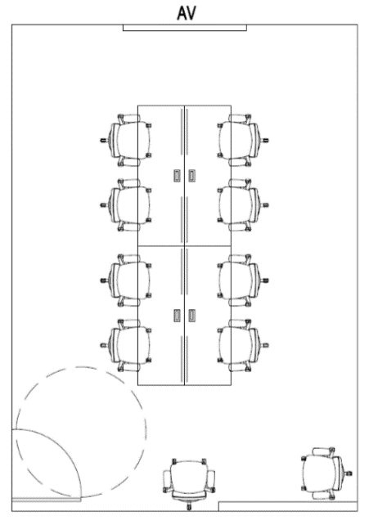
PLAN VIEW
B
A

 | DESCRIPTION |  | CAT. | QTY | WIDTH | DEPTH | HEIGHT | OPTIONS | FINISHES | COST (EST.) | GoCUID
 | A | Training Table | 6 | 5 | 1778 mm (70 in.) | 762 mm (30 in.) | 737 mm (29 in.) | Flip-Top, Modesty Panel, Y-Legs, Casters | Laminate | $5,952.00 | 6MTRFTRECL30L72WYYY
 | B | Task Chair | OS | 10 | N/A | N/A | N/A | Standard Height Back, Fully Adjustable | Fabric | $3,360.00 | N/A
 |  |  |  |  |  |  |  |  |  |  | Audio-visual equipment (monitors, laptops, televisions, etc.) are not purchased through the Workspaces or Office Seating Supply Arrangements. They are shown for visualisation purposes only.
 |  |  |  |  |  |  |  |  |  |  | For accessibility, allow for a 1700 mm (67 in.) turning diameter at indicated location(s).
ALTERNATIVE PLAN VIEW
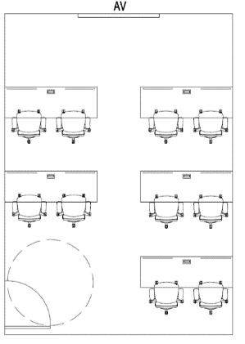

PAGE 4

CE | Project
COLLABORATIVE | ENCLOSED | PROJECT ROOM, TYPE 1 |  |  |  |  |  |  |  |  |  | Return to Table of Contents
 | AREA: 20 m2 (215 ft2), 12 OCCUPANTS
 | COST (EST.): $11,680.00
B
A
PLAN VIEW
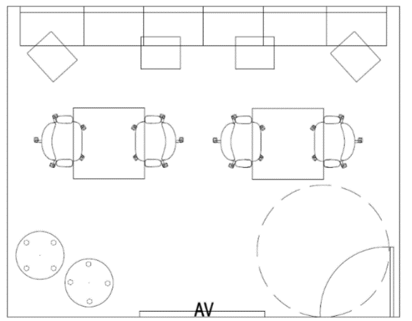
C
D
E
 | DESCRIPTION |  | CAT. | QTY | WIDTH | DEPTH | HEIGHT | OPTIONS | FINISHES | COST (EST.) | GoCUID
 | A | Modular Bench | 6 | 6 | 635 to 991 mm (25 to 39 in.) | > 483 mm (19 in.) | 406 to 483 mm (16 to 19 in.) | Rectilinear, Backrest | Fabric | $6,394.00 | 6SMORBXXLU25G19LYNN
 | B | Meeting Table | 6 | 2 | 1219 mm (48 in.) | 914 mm (36 in.) | 737 mm (29 in.) | Rectangular, Post Legs | Laminate | $1,330.00 | 6MMTSMSQLL48L48WNNX
 | C | Upholstered Stool | 6 | 2 | > 457 mm (18 in.) | >457 mm (18 in.) | 406 to 483 mm (16 to 19 in.) | Small, Round, Casters | Fabric | $1,172.00 | 6SUCROXXLUX8XXXLXXX
 | D | Task Chair | OS | 4 | N/A | N/A | N/A | Standard Height Back, Fully Adjustable | Fabric | $1,344.00 | N/A
 | E | Laptop Table | 6 | 4 | N/A | N/A | N/A | Fixed Height, Rectangular, Swivel Top | Laminate | $1,440.00 | 6CLTVAREXLW7<36ONXX
 | Tips and Tricks |  |  |  |  |  |  |  |  |  | Audio-visual equipment (monitors, laptops, televisions, etc.) are not purchased through the Workspaces or Office Seating Supply Arrangements. They are shown for visualisation purposes only.
 | • Tables (B) can be grouped together to make one long table. |  |  |  |  |  |  |  |  |  | For accessibility, allow for a 1700 mm (67 in.) turning diameter at indicated location(s).

 | • Stools (C) can be pulled up to tables (B) as additional seating.

PAGE 1

COLLABORATIVE | ENCLOSED | PROJECT ROOM, TYPE 2 |  |  |  |  |  |  |  |  |  | Return to Table of Contents
 | AREA: 25 m2 (269 ft2), 8 OCCUPANTS
 | COST (EST.): $9,169.00
A
D
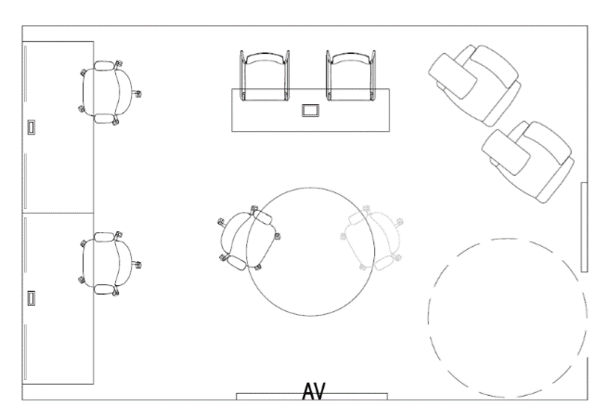
PLAN VIEW
B
E
C
F

 | DESCRIPTION |  | CAT. | QTY | WIDTH | DEPTH | HEIGHT | OPTIONS | FINISHES | COST (EST.) | GoCUID
 | A | Narrow Side Table | 6 | 1 | 1524 to 1676 mm (60 to 66 in.) | 309 to 457 mm (12 to 18 in.) | 864 to 1067 mm (34 to 42 in.) | Counter Height, Rectangular, End Gables, Power and Data | Laminate | $911.00 | 6CNTCHREGLW8606UYXX
 | B | Training Table | 6 | 2 | 1778 mm (70 in.) | 762 mm (30 in.) | 737 mm (29 in.) | Modesty Panels, Y-Legs, Casters | Laminate | $2,381.00 | BFCWAWSCUBF
 | C | Task Chair | OS | 4 | N/A | N/A | N/A | Standard Height Back, Fully Adjustable | Fabric | $1,344.00 | N/A
 | D | Bar Stool | 6 | 2 | N/A | > 381 mm (15 in.) | 610 to 686 mm (24 to 27 in.) | Counter Hight, Seat Cushion, 4 Legs | Polymer & Fabric | $963.00 | 6MMTSMROPL48XXXWNNX
 | E | Tablet Chair | 6 | 2 | N/A | N/A | N/A | Armrests | Fabric & Laminate | $2,816.00 | 6STCWRXXLUXXXXXXNNX
 | F | Meeting Table | 6 | 1 | 1372 mm (54 in.) | 1372 mm (54 in.) | 737 mm (29 in.) | Small, Round, Pedestal Base | Laminate | $754.00 | 6LMMDMWSXDW8XXXXNNN
 |  |  |  |  |  |  |  |  |  |  | Audio-visual equipment (monitors, laptops, televisions, etc.) are not purchased through the Workspaces or Office Seating Supply Arrangements. They are shown for visualisation purposes only.
 |  |  |  |  |  |  |  |  |  |  | For accessibility, allow for a 1700 mm (67 in.) turning diameter at indicated location(s).

PAGE 2

COLLABORATIVE | ENCLOSED | PROJECT ROOM, TYPE 3 |  |  |  |  |  |  |  |  |  | Return to Table of Contents
 | AREA: 16 m2 (172 ft2), 7 OCCUPANTS
 | COST (EST.): $10,213.00
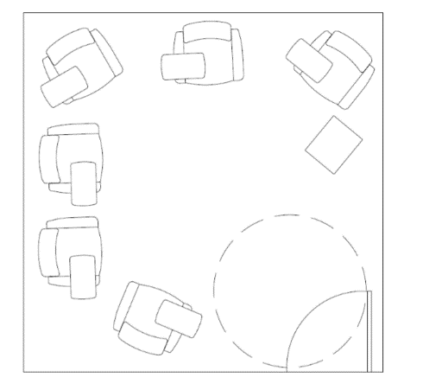
PLAN VIEW
B
A

 | DESCRIPTION |  | CAT. | QTY | WIDTH | DEPTH | HEIGHT | OPTIONS | FINISHES | COST (EST.) | GoCUID
 | A | Tablet Chair | 6 | 6 | N/A | N/A | N/A | Armrests | Fabric & Laminate | $9,853.00 | 6STCWRXXLUXXXXXXNNX
 | B | Laptop Table | 6 | 1 | N/A | N/A | N/A | Fixed Height, Rectangular, Swivel Top | Laminate | $360.00 | 6CLTVAREXLW7<36ONXX
 |  |  |  |  |  |  |  |  |  |  | Audio-visual equipment (monitors, laptops, televisions, etc.) are not purchased through the Workspaces or Office Seating Supply Arrangements. They are shown for visualisation purposes only.
 |  |  |  |  |  |  |  |  |  |  | For accessibility, allow for a 1700 mm (67 in.) turning diameter at indicated location(s).

PAGE 3

CE | Work
COLLABORATIVE | ENCLOSED | WORK ROOM, TYPE 1 |  |  |  |  |  |  |  |  |  | Return to Table of Contents
 | AREA: 16 m2 (172 ft2), 7 OCCUPANTS
 | COST (EST.): $4,266.00
PLAN VIEW
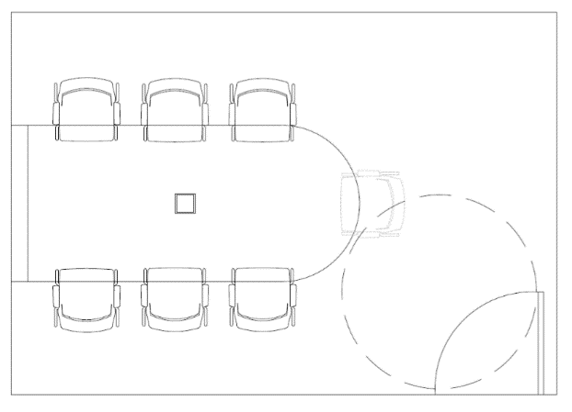
B
A

 | DESCRIPTION |  | CAT. | QTY | WIDTH | DEPTH | HEIGHT | OPTIONS | FINISHES | COST (EST.) | GoCUID
 | A | Multimedia Table | 6 | 1 | 2896 mm (114 in.) | 1219 mm (48 in.) | 762 mm (30 in.) | Single Monitor Mount | Laminate | $2,829.00 | 6CMUSHDSRL48114WYXX
 | B | Side Chair | OS | 7 | N/A | N/A | N/A | Armrests, Casters | Fabric | $1,437.00 | N/A
 |  |  |  |  |  |  |  |  |  |  | Audio-visual equipment (monitors, laptops, televisions, etc.) are not purchased through the Workspaces or Office Seating Supply Arrangements. They are shown for visualisation purposes only.
 |  |  |  |  |  |  |  |  |  |  | For accessibility, allow for a 1700 mm (67 in.) turning diameter at indicated location(s).

PAGE 1

COLLABORATIVE | ENCLOSED | WORK ROOM, TYPE 2 |  |  |  |  |  |  |  |  |  | Return to Table of Contents
 | AREA: 12 m2 (129 ft2), 4 OCCUPANTS
 | COST (EST.): $6,065.00
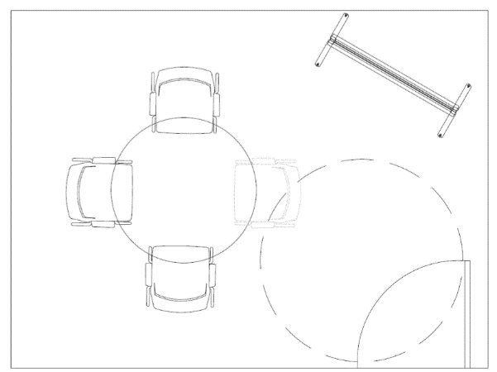
PLAN VIEW
B
A
C

 | DESCRIPTION |  | CAT. | QTY | WIDTH | DEPTH | HEIGHT | OPTIONS | FINISHES | COST (EST.) | GoCUID
 | A | Meeting Table | 6 | 1 | N/A | 1219 mm (48 in.) | 737 mm (29 in.) | Standard Height, Round | Laminate | $671.00 | 6MMTSMROPL48XXXWNNX
 | B | Side Chair | OS | 4 | N/A | N/A | N/A | Armrests, Casters | Fabric | $821.00 | N/A
 | C | Freestanding Mobile Monitor Mount | 6 | 2 | N/A | N/A | N/A | 1219 to 1524 mm (48 to 60 in.) Monitor, Writeable Surface on Backside | N/A | $4,573.00 | 6LMMDMWSXDW8XXXXNNN
 |  |  |  |  |  |  |  |  |  |  | Audio-visual equipment (monitors, laptops, televisions, etc.) are not purchased through the Workspaces or Office Seating Supply Arrangements. They are shown for visualisation purposes only.
 |  |  |  |  |  |  |  |  |  |  | For accessibility, allow for a 1700 mm (67 in.) turning diameter at indicated location(s).

PAGE 2

SS | Filing
SUPPORT SPACES | FILING |  |  |  |  |  |  |  |  |  | Return to Table of Contents
 | AREA: ?? m2 (?? ft2)
 | COST (EST.): $7,781.00
A
D
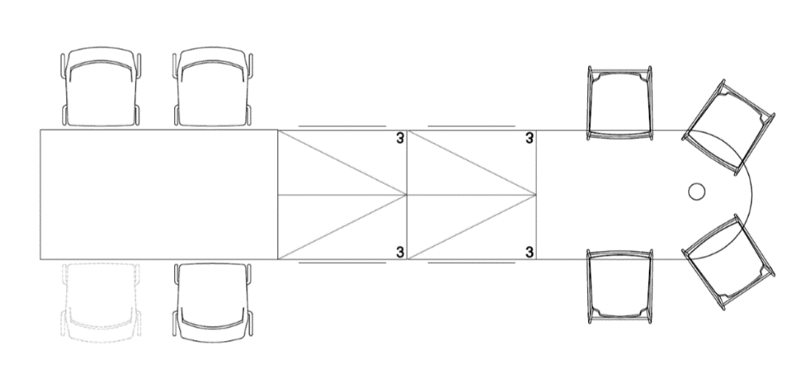
PLAN VIEW
B
E
C
F

 | DESCRIPTION |  | CAT. | QTY | WIDTH | DEPTH | HEIGHT | OPTIONS | FINISHES | PRICE (EST.) | GoCUID
 | A | D-Top | NSA | 1 | 3099 mm (122 in.) | 914 mm (36 in.) | 432 to 508 mm (17 to 20 in.) | Cantilever (One End) & Pedestal Base (One End) | Laminate | $720.00 | N/A
 | B | Kitchenette Chair | 6 | 4 | > 406 mm (16 in.) | N/A | 432 to 508 mm (17 to 20 in.) | Without Armrests, 4 Legs | Polymer | $654.00 | 6KKCSAxxLY16XXXMONX
 | C | Meeting Table | 6 | 1 | 1676 mm (66 in.) | 1067 mm (42 in.) | 737 mm ( 29 in.) | Rectangular, End Gables | Laminate | $1,668.00 | 6MMTMDRENL42L66WYNX
 | D | Bar Stool | 6 | 4 | N/A | > 381 mm ( 15 in.) | 610 to 686 mm (24 to 27 in.) | Counter Height, Seat Cushion, 4 Legs | Polymer & Fabric | $1,926.00 | 6KBSCHxxLY15XXXPOYX
 | E | Pedestal Leg | NSA | 1 | N/A | N/A | Match Filing Cabinet | N/A | Metal | $210.00 | N/A
 | F | Filing Cabinet | 3 | 4 | 914 mm (36 in.) | 457 mm (18 in.) | N/A | 3 High, Lateral | Painted Metal | $2,603.00 | 3FLT3DXXPM36D18XXXS
 |  |  |  |  |  |  |  |  |  |  | Audio-visual equipment (monitors, laptops, televisions, etc.) are not purchased through the Workspaces or Office Seating Supply Arrangements. They are shown for visualisation purposes only.

PAGE 1

SS | Lockers
SUPPORT SPACES | LOCKERS |  |  |  |  |  |  |  |  |  | Return to Table of Contents
 | AREA: ?? m2 (?? ft2)
 | COST (EST.): $9,950.00
A
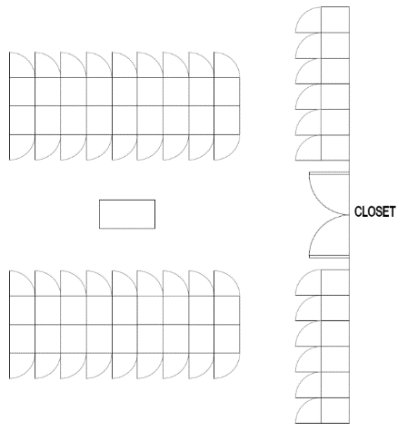
PLAN VIEW
B
C
D

 | DESCRIPTION |  | CAT. | QTY | WIDTH | DEPTH | HEIGHT | OPTIONS | FINISHES | PRICE (EST.) | GoCUID
 | A | Storage Locker | 3 | 48 | 457 mm (18 in.) | 457 mm (18 in.) | 1676 mm (66 in.) | 3 High, Keyless Locks | Painted Metal | $4,441.00 | None, specify through additional product details
 | B | Storage Locker | 3 | 48 | 457 mm (18 in.) | 457 mm (18 in.) | 1676 mm (66 in.) | 2 High, Keyless Locks | Painted Metal | $3,662.00 | None, specify through additional product details
 | C | Storage Locker | 3 | 48 | 457 mm (18 in.) | 457 mm (18 in.) | 1676 mm (66 in.) | 1 High, Keyless Locks | Painted Metal | $1,344.00 | None, specify through additional product details
 | D | Modular Bench | 6 | 1 | 635 to 991 mm (25 to 39 in.) | > 483 mm (19 in.) | 406 to 483 mm (16 to 19 in.) | Rectilinear | Fabric | $503.00 | 6SMORBXXLU25G19LNNN
 |  |  |  |  |  |  |  |  |  |  | Audio-visual equipment (monitors, laptops, televisions, etc.) are not purchased through the Workspaces or Office Seating Supply Arrangements. They are shown for visualisation purposes only.

PAGE 1

