Results and Guidance
Readiness Assessment
How to read the results of your self-assessement? ❶ Your self-assessment results are identified on the right hand side with colour coded icons which will provide you with a subjective readiness level for each of the categories. You can refer to the guidance and advice area below, to help you with the planning of your workplace transformation project. ❷ A visual graphic is also provided to you, to give you a better visual of your readiness against the target. |  |  | Organization | People | Business Processes | Technology | Space | Leadership | Resources
 | Self-assessment score |  | 3 | 3 | 4 | 3 | 5 | 3 | 2
 | Optimal Target |  | 5 | 5 | 5 | 5 | 5 | 5 | 5
 | Categories indicating a green light should be leveraged and maintained. Categories indicating a yellow or red light highlight areas where the organization is not fully prepared or at risk and should focus on actions that would bring the organization to the next level. Representatives from PSPC working with you to modernize your workplace can provide you with guidance to ensure your success (i.e. Project Director, Project Leader, Design Manager, CM Manager, ABW Program Manager, etc.).
 | Organization | 70 | Your organization show signs of maturity and has an established business plan and knows how to deliver it. Innovation and openness to change are promoted and your organization has a clear vision and defined objectives of what they wish to achieve by transforming their organization. Performance measurement indicators are commonly used tools as well as objectives, benefits and vision and they can easily be brought to bear on a workplace transformation initiative.
 |  | 55 | It is important that the objectives, performance indicators and potential benefits that can be attained from adopting an activity based workplace are integrated into and overall vision for the organization. Including that they be identified, documented, baselined, measured and reported to ensure that the return on investment is maximised. It is recommended that a document be developed which outlines the overall approach.
What is Activity BASED WORKING (ABW)?
Philosophy
To make work more effective and efficient but also more enjoyable for both the organization and the employee. This is realized by focusing on the employees and giving them the freedom (within boundaries) to decide for themselves how to work, where to work, when to work, the tools to use and with whom to collaborate to get the work done.
Concept
ABW is a concept which recognizes that through the course of any day, people engage in many different activities and that they need different types of work settings to accommodate these activities.
* Definition and concept from Veldhoen+ Company
 |  | 30 | To onboard a project, an organization must articulate a vision and set objectives to transform the way they are working. A modernized workplace is one of the key enabling elements that will support the transition towards an innovative, collaborative and knowledge-based organization. Organizations should begin to think about their vision for the future, and include the people/culture, space and technology perspecpectives, and from there, determine how and when modernization fits in.
 | People | 70 | Your organization knows how to manage and support changes; employees demonstrate an ability to deal positively with changes as opposed to ignoring or resisting them. The workforce is agile, delivers by results and a relation of trust has been established. A modernized workplace provides you with a design that builds on these attributes.
 |  | 50 | A modernized workplace is not just about the space. It is a significant cultural and organizational change as well as providing the right tools, the variety of space and the framework to your employees to empower them to deliver their functions. Changes to culture, policies and directives such as performance management by result, telework, etc. allows greater flexibility and empowerment for your knowledge based workforce. Leadership based on trust and performance results is key.
ON BOARDING CHANGE READINESS CRITERIA
▪ Demonstrate leadership (senior executive level) towards Destination 2020 principles, supporting a knowledge-based, mobile, collaborative, and innovative workforce
▪ Commitment to supporting the unassigned workplace, where principally all employees will be empowered in an environment of trust, to select their workpoints based on their activity requirements and personal preferences. This may include access to telework.
▪ Demonstrate readiness, or a roadmap, towards IM/IT transformation in the virtual environment in support of mobility
▪ Commitment to managing change through communications and engagement with employees
▪ Support participation in the program’s performance measurement process, consisting of pre- and post-occupancy surveys to provide design and organization feedback and lessons learned to ensure successful implementation.
 |  | 30 | An assessment of the culture of the organization with respect to the adoption of a new workplace can provide an important insight into the effort required in terms of stakeholder engagement and communications to move forward successfully. A modernized workplace requires different working practices which means that policies and guidelines should be reviewed to accommodate the new way of working (performance management by results, mobility, flexibility, teleworking, security, etc.).
 | Business Processes | 70 | Your business processes are mostly automated and not paper based. For an even stronger alignment to a modernized workplace model, ensure that all your current business processes will meet the need of a mobile workplace. It's important to review processes in collaboration with users on a regular basis to assess and refine as required.
 |  | 55 | You need to examine what business you are in, what processes support what you do, and determine how the new workspace and technologies will impact your processes. In collaboration with the subject matter experts and business processes owner, list all business procedures that might be impacted by moving to a modernized workplace and identify processes that might have to be addressed (e.g. e-signature, documents approval, correspondence, workflow, finance and HR processes, etc.) If you need to reduce paper file storage, it is a good idea to organize an information paper clean-up campaign.
 |  | 1 | If most of your business processes are not automated, it is recommended to start investing in a comprehensive business process review. There are a number of techniques (BPM, Lean, SIGMA) and training available to analyze and review your current processes Once the existing processes have been captured, then a new automated and paper free process can be defined, so that employees can understand how the workflow will change as a result of the introduction of new technology. It is almost impossible to work in a mobile way if you are weighed down with paper based processes.
Organizational BENEFITS OF A
MODERNIZED WORKPLACE
▪ creates an inspiring workplace
▪ attracts and retain top talent
▪ increases space utilisation, sustainability and flexibility
▪ achieve your departmental Destination 2020 objectives
▪ a mobile, collaborative, flexible workplace
▪ accommodates future organizational growth
▪ accommodates diversity of personal and professional preferences
 | Technology | 78 | Your organization already has or is implementing an IMIT Strategy and Roadmap to move from desktop computers to laptops/notebooks, smartphone, IT enabling equipment with the infrastructure to support them and to support electronic record management. This is a major consideration for moving to a modernized environment which is based on mobility and a work-anywhere-anytime culture.
 |  | 50 | Your Information Technology group may already have a strategy in place to implement mobile technology. Implementing a modern workplace relies on the right technology to be in place to support mobility. The following elements must be in place: Laptop computers or Tablets, Smart/Cell phones, MFD Printers, videoconferencing equipment, IT equipment to enable sharing of information and collaboration, Electronic Information Management System. Piloting of the chosen technology before wide scale roll-out is recommended as it allows staff to try the new hardware in actual case settings. An appropriate evaluation of the pilot, can identify whether the hardware is ‘fit for purpose’ or whether other hardware options should be considered further.
Employees BENEFITS OF A
MODERNIZED WORKPLACE
▪ increased engagement
▪ increased communication and collaboration
▪ increased flexibility, productivity and innovation
▪ employees feel empowered
▪ builds a relationship of trust
▪ support wellbeing and health at work
▪ employees have choice from a variety of workpoints
▪ to meet their social, information, and behavioural needs
 |  | 30 | To implement a modern workplace, the right technology must be in place to support mobility. The development of an IMIT strategy and roadmap must be developed including moving from: ▪ Desktop computers to laptops/notebook ▪ Landline phone to cell/smart phone ▪ Paper document filing and storage to electronic records management system ▪ Personal and decentralize printer/scanner to Multifunctional print anywhere devices ▪ Traditional boardroom to smart meeting room ▪ And systematically address the processes as systems within your organization that create paper.
A MODERN GC WORKPLACE
Flexible
Efficient
Healthy
Collaborative
Digital
Inclusive
Green
 | Space | 89 | Your initiation of a re-fit of your workspace means you've identified an opportunity to transform your workplace to be innovative, collaborative and to support greater workforce mobility. When planning and designing ABW keep in mind that there is no one size fits all. There are a wide variety of models allowing you to explore what best suits your business and objectives. Space as a component of workplace becomes a strategic partner driving towards your business outcomes. You've already taken important steps towards this by centralising the management of spaces. User friendly desks and office booking systems are also available and could be part of your project plan.
 |  | 50 | Consideration should be given to scalability and the degree of flexibility desired in your project. Because a modernized workplace relies on accommodation management taking on a more active and strategic role in how space supports broader business outcomes , it's important to begin to take steps now to break space entitlement and support the sharing of space.
 |  | 30 | Introducing an activity based workplace to a more traditional organization will require a lot of engagement and some time to do it effectively. It would be worthwhile to develop a small pathfinder to demonstrate to employees and management the benefits and the functionality of a flexible shared workplace. The pathfinder area could host monthly residents and would act as a great change management tool. Guided tours and opportunities for open discussions could also be organized.
 | Leadership | 75 | The executive leader is on board with your workplace transformation project and is ready to support, participate, build coalition and communicate. Your leaderundertands the reasons for the change, will articulate them and will become a visible early advocate of ABW and will drive your organization to reach its goals and achieve its vision. Make sure to create these opportunities.
INTEGRATION
Ensure there is equal focus on the people, technology and space elements of the change. There is no point providing people with a suite of great collaboration and concentration spaces if they don't have mobility enabling technology to go and use them and their leader still equates "work" with sitting at a desk.
 |  | 50 | An active and visible executive leader is the number one contributor to successful change and applies to a workplace transformation project. This leader must participate actively and visibly throughout the project, build coalitions and communicate directly with employees about why the workplace change is needed. Ensure senior management is fully on board with this project as moving to a modernized workplace will require strong support and advocacy from the C-suite.
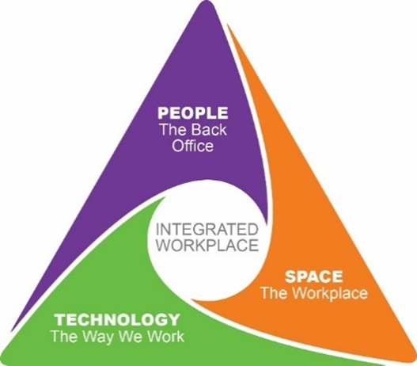 |  | 25 | Establishing the vision by clearly defining and communicating what is to be achieved is key into implementing a modernized workplace. Senior Management must be engaged in this visioning to set the scope and approach of the transformation initiative, from there identifying the right executive leader and senior managers responsible for key decisions, to engage counterparts and build coalitions, and communicate the vision. These are necessary steps before onboarding an ABW project.
 | Resources | 75 | An efficient governance structure is in place to ensure delivery of your project and change management has been integrated along with project management from the planning phase of the project. Key enabling resources are allocated (financial, human, security, IT, communication, OSH, etc.) for the success of this business transformation project. Noting lessons learned and celebrating success are equally important activities along the way, and after moving in, to ensure that new workplace is well adopted.
 |  | 50 | A governance structure should be established at the organizational level, and should include the executive leader, executive sponsor, project leads, change manager, and the various key enabler leads for the workplace transformation project (financial, human, security, IT, communication, OHS, etc.). Change Management addresses the people side changes associated with the new workplace; a commitment to follow an established change management strategy is very important.
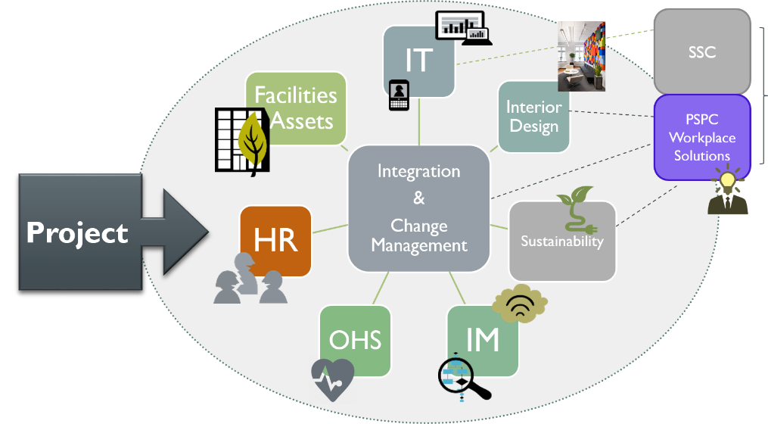 |  | 25 | Before establishing a governance and project structure, the executive sponsor who has the necessary authority over the people, processes, funds and system should be identified and set the governance that should be put in place (see above). A workplace modernization project requires significant change management support at all stages of the journey. You can have the latest and greatest technology and beautifully designed workspace, but if your employees have not bought in to why the organization is changing, and if they can't see the benefits of a modernized workplace, they will not make the necessary changes to their behaviours and practices and the intiative will fail.

