Critical Path
About This Tool
This critical path calculator is designed to support planning and provide early warning if timelines are at risk of delay. It presupposes that users have reviewed the associated guidance documents and are using the most up-to-date templates. See: Cabinet Directive on Regulation (CDR) - wiki
While the calculator outlines the general steps typically followed in developing a Governor in Council regulation, based on an assumption of three rounds of TBS review at CGI and CGII, each proposal is unique. This tool should not be interpreted as a commitment by TBS to conduct only four rounds of review. Proposals will be reviewed as many times as necessary for TBS to be confident that the submission is ready for presentation to the Treasury Board.
Further this calculator should not be viewed as a guarantee that the projected timelines will align with the actual progression of a regulatory file. Unexpected developments can arise during the course of regulatory development, and while the tool estimates the number of review rounds and the duration of each step, the actual timeline can vary significantly. In addition, departments may have their own internal processes and approval steps that are not reflected in this critical path.
Users are strongly encouraged to discuss timelines with their TBS and DOJ analysts before presenting targeted regulatory timelines to their senior management.
Making Adjustments to Estimated Business Days
When creating a critical path, it is essential to verify the estimated timelines with the relevant participants involved in your regulatory development process. Estimated business days highlighted in blue, purple, and orange should not be adjusted without consultation and concurrence from the drafters and TBS. Programs requiring a shorter timeline should focus on adjusting cells with no fill, as those timelines are typically within the control of the regulatory organization.
Blue: Estimated business days that are highly influenced by the size and complexity of the proposal, its relative priority, and resource availability. To determine appropriate targets for your project, consult with your RAS analyst and the Department of Justice, including the drafters assigned to your file.
Purple: Reflects TBS’s internal service standards.
Orange: Indicates steps with a fixed number of business days that typically cannot be adjusted.

 | Step | Business Days (Reference Starting Point) | Business Days (User-Editable) | Start Date | End Date | Notes | Links
1. | INITIATION OF REGULATION
 | START DATE (pre-consultation has been completed) |  |  | 2025-07-08 |  | Before beginning your work, it is recommended you consult the Guide to Regulatory Development and RIAS Writing | Guide_to_Regulatory_Development_and_RIAS_Writing_EN.docx
1.1a | Prepare Drafting Instructions and DoJ Legislative Services File Opening | 50 | 50 | 2025-07-09 | 2025-09-19 | Discuss estimate with your DLSU
1.2a | Approval of Drafting Instructions and File Opening
 | Legal Counsel - Regulatory Organization | 15 | 15 | 2025-09-22 | 2025-10-15
 | Responsible ADM - Regulatory Organization | 15 | 15 | 2025-10-16 | 2025-11-06
1.1b | Develop Triage Statement | 20 | 20 | 2025-07-09 | 2025-08-07 |  | Triage Template
1.2b | Approval of Triage Statement
 | Responsible Organization (Suggest Manager/Director level) | 10 | 10 | 2025-08-08 | 2025-08-22
 | TBS-RAS Analyst (initial round of comments) | 10 | 10 | 2025-08-25 | 2025-09-09
 | Regulatory Organization responds to comments | 10 | 10 | 2025-09-10 | 2025-09-24
 | TBS-RAS Analyst (second round of comments) | 10 | 10 | 2025-09-25 | 2025-10-10
 | Regulatory Organization responds to comments | 10 | 10 | 2025-10-14 | 2025-10-28
 | TBS-RAS Analyst Greenlights Triage | 10 | 10 | 2025-10-29 | 2025-11-13 | Note depending on quality/complexity this may take more than three rounds of review

2. | DRAFT REGULATORY MATERIAL
2.1a | Drafting of Regulations by DoJ Legislative Services (Regulations Section) | 70 | 70 | 2025-11-07 | 2026-02-19 | Discus estimate with your drafters and DLSU
2.2a | Review by bijural experts, legistic revisors and jurilinguists (ends with blue-stamping) | 30 | 30 | 2026-02-20 | 2026-04-07 | Discus estimate with your drafters and DLSU
2.1b | Develop RIAS | 40 | 40 | 2025-11-14 | 2026-01-14 |  | RIAS Template
2.1 b | Approval of RIAS
 | Responsible Organization (Suggest Manager/Director level) | 10 | 10 | 2026-01-15 | 2026-01-29
 | TBS-RAS Analyst (initial round of comments) | 10 | 10 | 2026-01-30 | 2026-02-13 | Suggestion: Consider sharing a version of the RIAS with your departmental legal counsel at this stage. Allowing DLSU an opportunity to review early can make it easier to incorporate their feedback and may save time down the line.
 | Regulatory Organization responds to comments | 10 | 10 | 2026-02-16 | 2026-03-02
 | TBS-RAS Analyst (second round of comments) | 10 | 10 | 2026-03-03 | 2026-03-17
 | Regulatory Organization responds to comments | 10 | 10 | 2026-03-18 | 2026-04-01
 | TBS-RAS Analyst (third round of comments) | 10 | 10 | 2026-04-02 | 2026-04-20
 | Regulatory Organization responds to comments | 10 | 10 | 2026-04-21 | 2026-05-05
 | TBS-RAS Analyst Greenlights RIAS | 10 | 10 | 2026-05-06 | 2026-05-21 | Note depending on quality/complexity this may take more than four rounds of review
2.2 | If required: Prepare WTO Notification(s) | 10 | 10 | 2026-05-22 | 2026-06-05 | If you believe your regulatory proposal has the potential to trigger Canada’s international obligations, there are a number of resources you can contact: the Trade Law Bureau at Global Affairs Canada/Department of Justice Canada at admin-JLT@international.gc.ca; your department’s international trade division; Canada’s Notification Authority and Enquiry Point at enquirypoint@international.gc.ca
2.3 | Prepare Internal Briefing Package (including required submission documents) | 10 | 10 | 2026-05-22 | 2026-06-05 | The formatting for 2.2 and 2.3 assumes work on the WTO Notification and Internal Briefing Package begins only after receiving the greenlight. Timelines can likely be shortened if work begins in parallel before the greenlight is issued. The end date cell for this row is also constrained so that it cannot reflect a date earlier than the completion of both the blue-stamping of the regs and greenlight of the RIAS. | Required Submission Documents

3. | MINISTERIAL APPROVAL OF PROPOSED REGULATORY PACKAGE (For Pre-Publication in Canada Gazette, Part I)
3.1 | Regulatory Organization's Internal Approvals up to and including Minister | 20 | 20 | 2026-05-22 | 2026-06-19
3.2 | Signed package is prepared and emailed to PCO | - | - |  | 2026-06-23 | Needs to be delivered to PCO-OIC by noon Tuesday 3 weeks before target TB meeting or will get bumped to the next available meeting. | See Submission process for GIC Proposals
3.3 | PCO Review and scheduling for TB meeting/ TBS internal briefings | - | - | 2026-06-23 | 2026-07-16
3.4 | TB Meeting |  |  | 2026-07-16 |  | The calculator assumes a Treasury Board meeting occurs every Thursday. Please use the link in the next cell to confirm whether a meeting is actually scheduled for that date. | See Calendar and Key Dates for confirmed submission deadlines.
3.5 | Pre-Publication in Canada Gazette, Part I |  |  | 2026-07-25
3.6 | Comment period | 30 | 30 | 2026-07-25 | 2026-08-24 | The standard pre-publication period is 30 days. In some cases, it may be advisable or required to increase the pre-publication period to allow more time for stakeholders to review complex regulations or meet legislative obligations. For proposals that may have an impact on international trade, a minimum comment period of 70 days for consultations may be required . | See 9.3.1 of the Guide to Regulatory Development and RIAS writing

4. | FINALIZING REGULATORY MATERIAL
4.1 | Review of Comments Received after Pre-Publication | 30 | 30 | 2026-08-25 | 2026-10-08
4.2a | Prepare and get Approval for Drafting Instructions for Finalization of Regulations | 25 | 25 | 2026-10-09 | 2026-11-17 | Talk to your DLSU
4.3a | Finalization of drafting Regulations by DoJ Legislative Services (Regulations Section) | 30 | 30 | 2026-11-18 | 2026-12-31 | Discus with your drafters and DLSU
4.4a | Review by bijural experts, legistic revisors and jurilinguists (ends with blue-stamping) | 20 | 20 | 2027-01-04 | 2027-02-01 | Discus with your drafters and DLSU
4.2b | Update RIAS to reflect comments from Pre-Publication | 25 | 25 | 2026-10-09 | 2026-11-17
4.3b | Approval of RIAS
 | Responsible Organization (Suggest Manager/Director level) | 10 | 10 | 2026-11-18 | 2026-12-02
 | TBS-RAS Analyst (initial round of comments) | 10 | 10 | 2026-12-03 | 2026-12-17 | Suggestion: Consider sharing a version of the RIAS with your departmental legal counsel at this stage. Allowing DLSU an opportunity to review early can make it easier to incorporate their feedback and may save time down the line.
 | Regulatory Organization responds to comments | 10 | 10 | 2026-12-18 | 2027-01-05
 | TBS-RAS Analyst (second round of comments) | 10 | 10 | 2027-01-06 | 2027-01-20
 | Regulatory Organization responds to comments | 10 | 10 | 2027-01-21 | 2027-02-04 | Note depending on quality/complexity this may take more than four rounds of comments
 | TBS-RAS Analyst (third round of comments) | 10 | 10 | 2027-02-05 | 2027-02-19
 | Regulatory Organization responds to comments | 10 | 10 | 2027-02-22 | 2027-03-08
...

User guide
Step 1 insert your start date into the field in green:
Step 2: Adjust estimated business days and the tool will automatically calculate their impact on timelines.

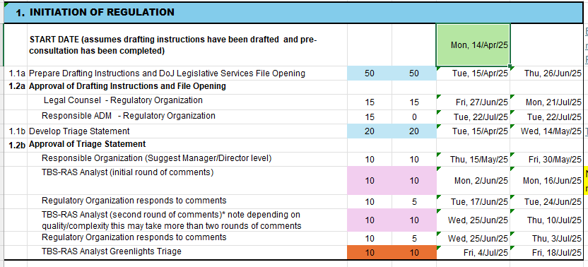

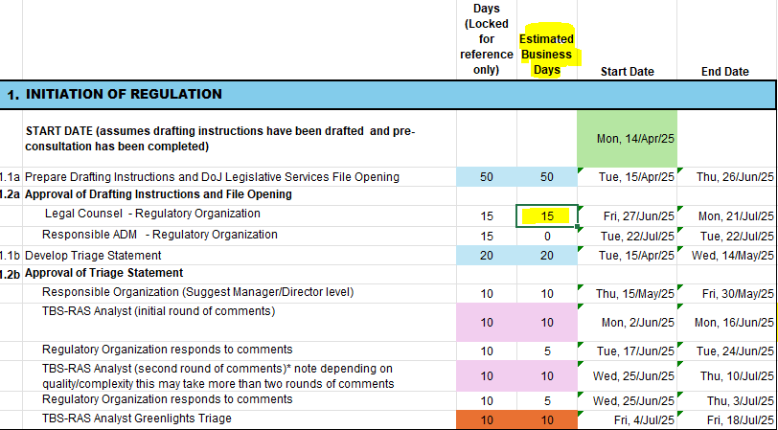

Fed Holidays
Note: The June QC and August ON holidays are included in this list as well.
Date | Holiday Name
2024-12-25 | Christmas Day
2024-12-26 | Boxing Day
2025-01-01 | New Year's Day
2025-03-28 | Good Friday
2025-04-21 | Easter Monday
2025-05-19 | Victoria Day
2025-06-24 | Saint-Jean-Baptiste Day
2025-07-01 | Canada Day
2025-08-04 | Civic Holiday
2025-09-01 | Labour Day
2025-09-30 | National Day for Truth and Reconciliation
2025-10-13 | Thanksgiving
2025-11-11 | Remembrance Day
2025-12-25 | Christmas Day
...

