Instructions
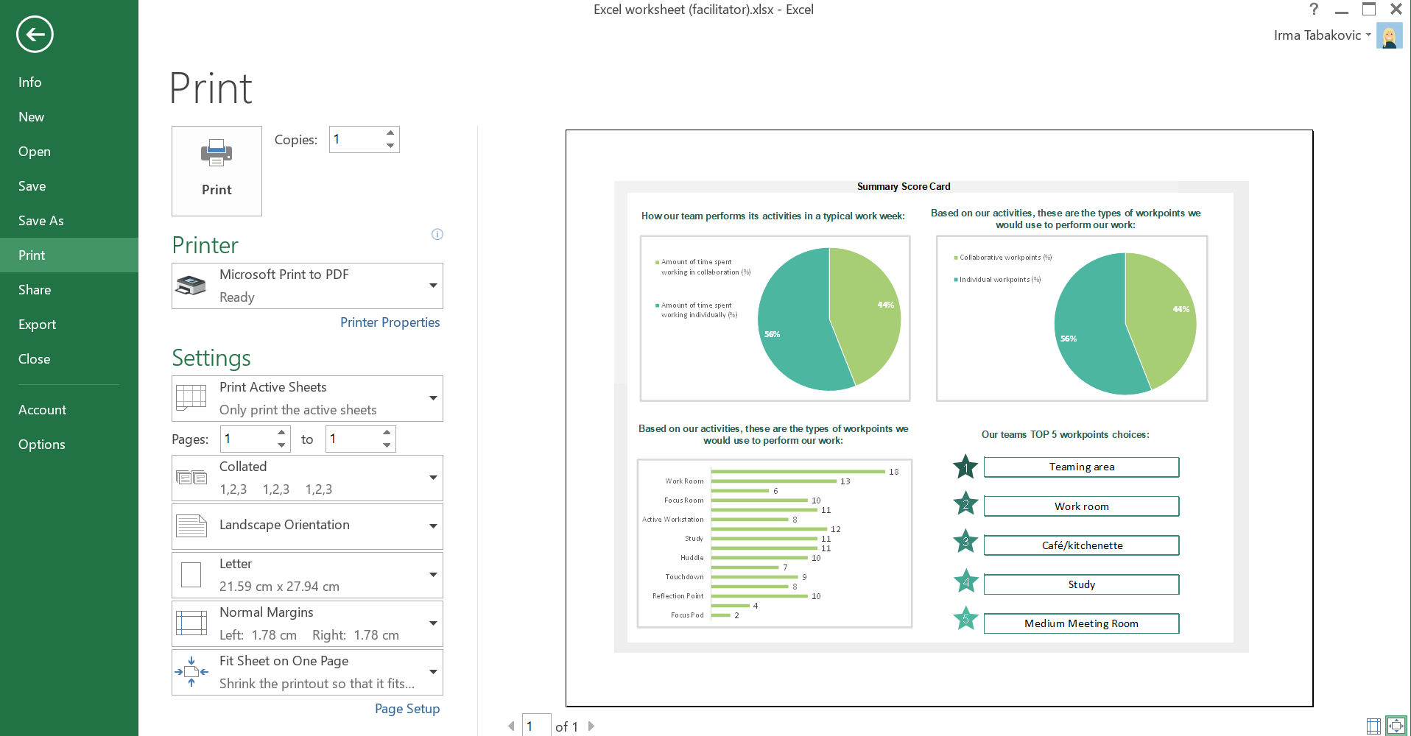
Instructions
1 | Gather the Excel documents from each participant and―one by one―open up the "Score card" tab.
2 | Open the "For the facilitator" tab and―using the drop down menus―begin inputting the data for the two activities based on the results from each participant.

In order to keep the document as confidential as possible, do NOT input the partcipants names.

3 | Download the "Summary score card" tab as a PDF file and send to participants as an attachment to the email (Annex B of the Facilitator Guide) you send after the workshop.
 | a. Make sure you are on the "Summary score card" tab and then click on the "File" icon on the top left corner;
 | b. Click on "Print" and follow the same layout as below to download a PDF copy of the Summary Score Card.

Summary score card
Summary Score Card

How our team performs its activities in a typical work week: | Based on our activities, these are the types of workpoints we would use to perform our work:

Amount of time spent working in collaboration (%)
Amount of time spent working individually (%)
Collaborative workpoints (%)
Individual workpoints (%)

Based on our activities, these are the types of workpoints we would use to perform our work: | Our teams TOP 5 workpoints choices:

1
Focus Pod | 0
Workstation | 0
Reflection Point | 0
Phonebooth | 0
Touchdown | 0
Large Meeting Room | 0
Huddle | 0
Medium Meeting Room | 0
Study | 0
Café/Kitchenette | 0
Active Workstation | 0
Lounge | 0
Focus Room | 0
Chat Point | 0
Work Room | 0
Teaming Area | 0

2

3

4

5

